Cover
 |  |  | SA Certification Forest Certification Public Report | 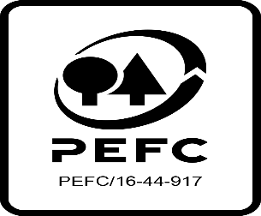

Forest Manager/Owner/organisation (Certificate Holder): |  |  | Veon Ltd

Forest Name/Group Name: |  |  | Veon Ltd
Region and Country: |  |  | Ireland
Standard: |  |  | PEFC IRL Forest Management Standard Dec 2010: PEFC Irish Forest Certification Standard , endorsed with updates Dec 2011
Certificate Code: |  |  | SA-PEFC-FM-008568
PEFC License Code: |  |  | PEFC/17-23-073
Date of certificate issue: |  |  | 2021-06-02
Date of expiry of certificate: |  |  | 2026-06-01

 | Assessment date | Date Report Finalised/ Updated | SA Auditor | Checked by | Approved by
PA | 43901 | n/a | Robin Walter | Andy Grundy | Andy Grundy
MA | 18-19/3/2021 | 2-Jun-21 | Robin Walter | Nicola Brennan Rob Shaw (2nd reviewer) | Rob Shaw
Extension of Scope | 18-21/10/21 | 03/12/2021 07/12/2021 09/12/2021 | Huw Denman | Nicola Brennan Rob Shaw (2nd reviewer) | Rob Shaw
S1 | 21-24/3/22 | 06/05/2022 15/06/2022 | Robin Walter | Andy Grundy | Andy Grundy
S2 | 03-06/04/23 | 09/06/2023 20/07/2023 | Huw Denman | Valentins Kuksinovs | Valentins Kuksinovs
S3 | 15-18/04/24 | 16-Jul-24 | Huw Denman | Heidi Kagiali | Heidi Kagiali

Disclaimer: auditing is based on a sampling process of the available information.
Please note that the main text of this report is publicly available on request

Soil Association Certification Ltd • United Kingdom
Telephone (+44) (0) 117 914 2435
Email forestry@soilassociation.org • www.soilassociation.org/forestry

Soil Association Certification Ltd • Company Registration No. 726903
A wholly-owned subsidiary of the Soil Association Charity No. 20686

RT-FM-001a-06.1 June 2022. © Produced by Soil Association Certification Limited

