Cover
 |  |  | SA Certification Forest Certification Public Report | 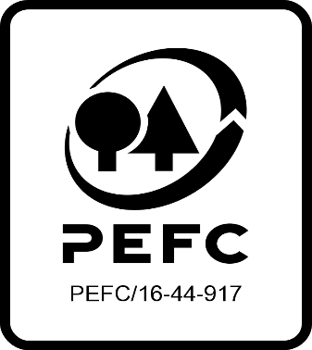

Forest Manager/Owner/organisation (Certificate Holder): |  |  | IForUT

Forest Name/Group Name: |  |  | Irish Forestry Unit Trust Forestry Management Ltd
Region and Country: |  |  | Ireland
Standard: |  |  | PEFC Irish Forest Management Standard
Certificate Code: |  |  | SA-PEFC-FM-013526
PEFC License Code: |  |  | PEFC-
Date of certificate issue: |  |  | 2023-02-08
Date of expiry of certificate: |  |  | 2027-02-06

 | Assessment date | Date Report Finalised/ Updated | SA Auditor | Checked by | Approved by
MA | 12th to 15th December 2022 | 08/02/2023 22/06/2023 27/07/2023 | Carol Robertson | Rebecca Haskell | John Rogers
S1
S2 | 10th 13th to 16th November 203 | 2024-02-13 | Carol Robertson | Marie-Christine Fléchard | John Rogers
S3
S4

Disclaimer: auditing is based on a sampling process of the available information.
Please note that the main text of this report is publicly available on request

Soil Association Certification Ltd • United Kingdom
Telephone (+44) (0) 117 914 2435
Email forestry@soilassociation.org • www.soilassociation.org/forestry

Soil Association Certification Ltd • Company Registration No. 726903
A wholly-owned subsidiary of the Soil Association Charity No. 20686

RT-FM-001a-06.1 June 2022. © Produced by Soil Association Certification Limited

A11a Cert Decsn
 | Soil Association Certification Decision
Description of client / certificate holder
Name: | IForUT
Code: | SA-PEFC-FM-013526
Country | Ireland
# of sites: | 82
# of ha: | 16773.50
Presence of indigenous people: | No

Summary of audit
Type | S2
Names of auditors: | Carol Robertson Lead Auditor & Huw Denman Auditor
Report Reviewer | Marie-Christine Fléchard
SA Certification staff member recommending certification decision | Marie-Christine Fléchard

Report summary
# of pre-conditions | 0
# of MAJOR conditions | 0
# of Minor conditions | 3
# of observations | 3
Describe any potentially contentious issues. | none
Location of report | Filed under: Forestry/Certification records

Recommendation
I have reviewed the report of this assessment (including stakeholder consultation and peer review summary as appropriate) and | I recommend that the certification decision for approval by SA Cert subject to compliance with the CARs listed above.

Date: | 2024-02-12

Approval
Certification Decision: | Approved: Maintain /grant certification

Name: | Marie-Christine Fléchard
Certification Decision made on behalf of Soil Association Certification Ltd: | Marie-Christine Fléchard
Date: | 2024-02-13

Soil Association Certification • United Kingdom
Telephone (+44) (0) 117 914 2435
Email forestry@soilassocation.org ● www.soilassociation.org/forestry

Soil Association Certification Ltd • Company Registration No. 726903
A wholly-owned subsidiary of the Soil Association Charity No. 20686

A12a Product schedule
 | Product Schedule |  | 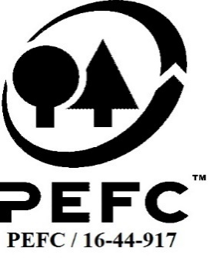

This schedule details the products which are included in the scope of the company's certification. It shall accompany the PEFC certificate. If the product scope changes a new schedule will be issued.

Certificate scope including products and certified sites may also be checked on the PEFC database www.pefc.org
Description of client / certificate holder
Name: | IForUT
Address: | Unit 5, Woodford Court, Woodford Business Park, Santry, Dublin
Country | Ireland
Code: | SA-PEFC-FM-013526
Type of certificate | Single
Date of issue: | 8-Feb-23 | Date of expiry: | 6-Feb-27

Product Groups available from this certificate holder include:
PEFC Status | Product Category | Product code | Species
100% | Rough wood | 010000 | Abies grandis; Abies procera; Chamaecyparis lawsoniana; Larix decidua; Larix kaempferi; Larix x marschlinsii (Larix x eurolepis), Picea abies; Picea sitchensis; Pinus nigra; Pinus sylvestris; Pinus contorta; Pseudotsuga menziesii; Thuja plicata; Tsuga heterophylla; Acer pseudoplatanus; Alnus glutinosa; Betula pendula; Carpinus betulus; Castanea sativa; Crataegus monogyna; Corylus avellana; Fagus sylvatica; Fraxinus excelsior; Prunus avium; Prunus spinosa; Quercus robur; Quercus petraea; Salix cinerea; Salix cinera; Ulmus glabra

Approval
Name: |  | John Rogers
Signed: |  | John Rogers
Date: |  | 2023-07-27

Soil Association Certification Ltd • United Kingdom
Telephone (+44) (0) 117 914 2435
Email forestry@soilassociation.org ● www.soilassociation.org/forestry

Soil Association Certification Ltd • Company Registration No. 726903
A wholly-owned subsidiary of the Soil Association Charity No. 20686
PEFC Licence Code PEFC / 16-44-917

