Cover
 |  |  | SA Certification Forest Certification Public Report | 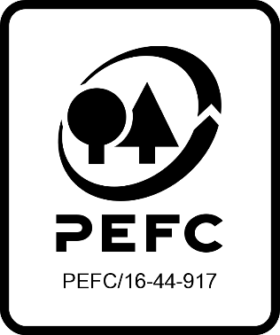

Forest Manager/Owner/organisation (Certificate Holder): |  |  | Irish Forest Owners

Forest Name/Group Name: |  |  | Irish Forset Owners
Region and Country: |  |  | Ireland
Standard: |  |  | PEFC Forest Management Standard v1, 2011 for Ireland;
Certificate Code: |  |  | SA-PEFC-FM-006268
PEFC License Code: |  |  | PEFC-
Date of certificate issue: |  |  | 2023-04-11
Date of expiry of certificate: |  |  | 2028-04-10

 | Assessment date | Date Report Finalised/ Updated | SA Auditor | Checked by | Approved by
PA
MA | 13.02, 27.02-01.03.2023, 09.03.2023 | 11/04/2023 28/02/2024 12/04/2024 31/05/2024 | Valentins Kuksinovs | John Rogers | John Rogers
S1
S2
S3
S4

Disclaimer: auditing is based on a sampling process of the available information.
Please note that the main text of this report is publicly available on request

Soil Association Certification Ltd • United Kingdom
Telephone (+44) (0) 117 914 2435
Email forestry@soilassociation.org • www.soilassociation.org/forestry

Soil Association Certification Ltd • Company Registration No. 726903
A wholly-owned subsidiary of the Soil Association Charity No. 20686

RT-FM-001a-06.1 June 2022. © Produced by Soil Association Certification Limited

A11a Cert Decsn
 | Soil Association Certification Decision
Description of client / certificate holder
Name: | Irish Forest Owners
Code: | SA-PEFC-FM-006268
Country | Ireland
# of sites: | 20
# of ha: | 298.70
Presence of indigenous people: | no

Summary of audit
Type | Main assessment
Names of auditors: | Valentins Kuksinovs
Report Reviewer | John Rogers
SA Certification staff member recommending certification decision | John Rogers

Report summary
# of pre-conditions | 0
# of MAJOR conditions | 0
# of Minor conditions | 1
# of observations | 0
Describe any potentially contentious issues.
Location of report | Filed under: Forestry/Certification records

Recommendation
I have reviewed the report of this assessment (including stakeholder consultation and peer review summary as appropriate) and | I recommend that the certification decision for approval by SA Cert subject to compliance with the CARs listed above.

Date: | 2023-04-06

Approval
Certification Decision: | Approved: grant certification

Name: | John Rogers
Certification Decision made on behalf of Soil Association Certification Ltd: | John Rogers
Date: | 2023-04-11

Soil Association Certification • United Kingdom
Telephone (+44) (0) 117 914 2435
Email forestry@soilassocation.org ● www.soilassociation.org/forestry

Soil Association Certification Ltd • Company Registration No. 726903
A wholly-owned subsidiary of the Soil Association Charity No. 20686

A12a Product schedule
 | Product Schedule |  | 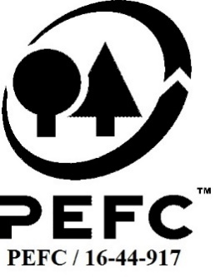

This schedule details the products which are included in the scope of the company's certification. It shall accompany the PEFC certificate. If the product scope changes a new schedule will be issued.

Certificate scope including products and certified sites may also be checked on the PEFC database www.pefc.org
Description of client / certificate holder
Name: | Irish Forest Owners
Address: | Ballycourcy, Enniscorthy, Co Wexford, Y21EC56, Ireland
Country | Ireland
Code: | SA-PEFC-FM-006268
Type of certificate | Group
Date of issue: | 11-Apr-23 | Date of expiry: | 10-Apr-28

Product Groups available from this certificate holder include:
PEFC Status | Product Category | Product code | Species
PEFC 100% | Roundwood | 1000 | 1 - Coniferous 3 - Non-coniferous other
PEFC 100% | Fuel wood | 2000 | 1 - Coniferous 3 - Non-coniferous other

Approval
Name: |  | Valentins Kuksinovs
Signed: |  | Valentins Kuksinovs
Date: |  | 2023-04-11

Soil Association Certification Ltd • United Kingdom
Telephone (+44) (0) 117 914 2435
Email forestry@soilassociation.org ● www.soilassociation.org/forestry

Soil Association Certification Ltd • Company Registration No. 726903
A wholly-owned subsidiary of the Soil Association Charity No. 20686
PEFC Licence Code PEFC / 16-44-917

