Cover
 |  |  | SA Certification Forest Certification Public Report | 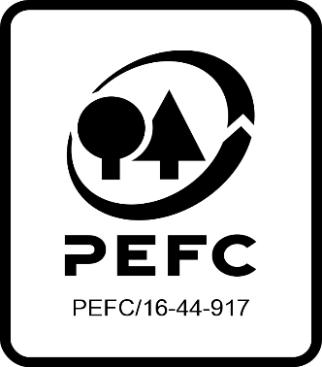

Forest Manager/Owner/organisation (Certificate Holder): |  |  | The Foraois Limited Partnership

Forest Name/Group Name: |  |  | The Foraois Limited Partnership
Region and Country: |  |  | Ireland
Standard: |  |  | PEFC IRL SCHEME Dec 2010: PEFC Irish Forest Certification Standard [Second edition Revised January 2014]
Certificate Code: |  |  | SA-PEFC-FM/COC-012336
PEFC License Code: |  |  | PEFC- NA
Date of certificate issue: |  |  | 2022-05-10
Date of expiry of certificate: |  |  | 2027-05-09

 | Assessment date | Date Report Finalised/ Updated | SA Auditor | Checked by | Approved by
PA | 06.09.21 | 2021-10-12 | Huw Denman | Nicola Brennan | Andy Grundy
MA | 3-Mar-22 | 10/05/2022 16/06/2022 | Huw Denman | Nicola Brennan / Valentins Kuksinovs | Andy Grundy
S1 | 20-23rd February 2023 | 10-May-23 | Huw Denman | John Rogers | 10/05/2023 10/08/2023
S2
S3
S4

Disclaimer: auditing is based on a sampling process of the available information.
Please note that the main text of this report is publicly available on request

Soil Association Certification Ltd • United Kingdom
Telephone (+44) (0) 117 914 2435
Email forestry@soilassociation.org • www.soilassociation.org/forestry

Soil Association Certification Ltd • Company Registration No. 726903
A wholly-owned subsidiary of the Soil Association Charity No. 20686

RT-FM-001a-06.1 June 2022. © Produced by Soil Association Certification Limited

A11a Cert Decsn
 | Soil Association Certification Decision
Description of client / certificate holder
Name: | The Foraois Limited Partnership
Code: | SA-PEFC-FM/COC-012336
Country | Ireland
# of sites: | 1
# of ha: | 7998.00
Presence of indigenous people: | no

Summary of audit
Type | S1
Names of auditors: | H Denman
Report Reviewer | John Rogers
SA Certification staff member recommending certification decision | John Rogers

Report summary
# of pre-conditions | 0
# of MAJOR conditions | 0
# of Minor conditions | 2
# of observations | 4
Describe any potentially contentious issues.
Location of report | Filed under: Forestry/Certification records

Recommendation
I have reviewed the report of this assessment (including stakeholder consultation and peer review summary as appropriate) and | I recommend that the certification decision for approval by SA Cert subject to compliance with the CARs listed above.
Date: | 2023-05-09

Approval
Certification Decision: | Approved: Maintain /grant certification
Name: | John Rogers
Certification Decision made on behalf of Soil Association Certification Ltd: | John Rogers
Date: | 2023-08-10

Soil Association Certification • United Kingdom
Telephone (+44) (0) 117 914 2435
Email forestry@soilassocation.org ● www.soilassociation.org/forestry

Soil Association Certification Ltd • Company Registration No. 726903
A wholly-owned subsidiary of the Soil Association Charity No. 20686

A12a Product schedule
 | Product Schedule |  | 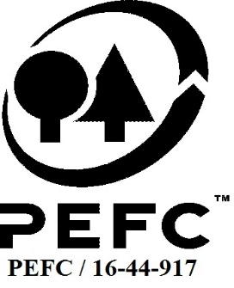

This schedule details the products which are included in the scope of the company's certification. It shall accompany the PEFC certificate. If the product scope changes a new schedule will be issued.

Certificate scope including products and certified sites may also be checked on the PEFC database www.pefc.org
Description of client / certificate holder
Name: | The Foraois Limited Partnership
Address: | 6th Floor, 2 Grand Canal Square, Dublin, D02A342
Country | Ireland
Code: | SA-PEFC-FM/COC-012336
Type of certificate | Single
Date of issue: | 10-May-22 | Date of expiry: | 9-May-27

Product Groups available from this certificate holder include:
PEFC Status | Product Category | Product code | Species
PEFC 100% | Roundwood - Sawlogs and veneer logs, Pulpwood | 1010, 1020 | 1 - Coniferous 3 - Non-coniferous other
PEFC 100% | Fuelwood | 2010 | 1 - Coniferous 3 - Non-coniferous other

Approval
Name: |  | Andy Grundy
Signed:
Date: |  | 2022-06-16

Soil Association Certification Ltd • United Kingdom
Telephone (+44) (0) 117 914 2435
Email forestry@soilassociation.org ● www.soilassociation.org/forestry

Soil Association Certification Ltd • Company Registration No. 726903
A wholly-owned subsidiary of the Soil Association Charity No. 20686
PEFC Licence Code PEFC / 16-44-917

