Cover
 |  |  | SA Certification Forest Certification Public Report | 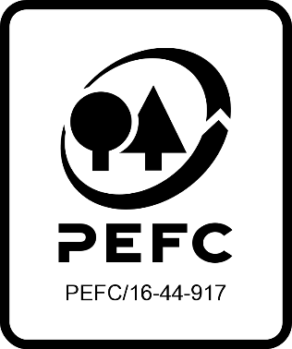

Forest Manager/Owner/organisation (Certificate Holder): |  |  | African Environmental Services (AES)

Forest Name/Group Name: |  |  | African Environmental Services (AES)
Region and Country: |  |  | South Africa
Standard: |  |  | PEFC Forest Management Standard - SAFAS 4:2018 Forest Management
Certificate Code: |  |  | SA-PEFC-FM-014016
PEFC License Code: |  |  | Not Yet Issued
Date of certificate issue: |  |  | 2023-10-10
Date of expiry of certificate: |  |  | 2028-10-09

 | Assessment date | Date Report Finalised/ Updated | SA Auditor | Checked by | Approved by
PA | 2023-05-25 |  | Ryan Connolly | Rob Shaw
MA | 2023-07-03 | 10/10/2023 04/06/2024 | Ryan Connolly | Rob Shaw | Rob Shaw
S1
S2
S3
S4

Disclaimer: auditing is based on a sampling process of the available information.
Please note that the main text of this report is publicly available on request

Soil Association Certification Ltd • United Kingdom
Telephone (+44) (0) 117 914 2435
Email forestry@soilassociation.org • www.soilassociation.org/forestry

Soil Association Certification Ltd • Company Registration No. 726903
A wholly-owned subsidiary of the Soil Association Charity No. 20686

RT-FM-001a-06.1 June 2022. © Produced by Soil Association Certification Limited

A11a Cert Decsn
 | Soil Association Certification Decision
Description of client / certificate holder
Name: | African Environmental Services (AES)
Code: | SA-PEFC-FM-014016
Country | RSA
# of sites: | 1
# of ha: | 347
Presence of indigenous people: | No

Summary of audit
Type | Main assessment
Names of auditors: | Ryan Connolly
Report Reviewer | Rob Shaw
SA Certification staff member recommending certification decision | Rob Shaw

Report summary
# of pre-conditions | 0
# of MAJOR conditions | n/a
# of Minor conditions | 2
# of observations | 1
Describe any potentially contentious issues. | n/a
Location of report | Filed under: Forestry/Certification records

Recommendation
I have reviewed the report of this assessment (including stakeholder consultation and peer review summary as appropriate) and | I recommend that the certification decision for approval by SA Cert subject to compliance with the CARs and OBS listed above.

Date: | 26.09.23

Approval
Certification Decision:
 | Approved
Name: | Rob Shaw
Certification Decision made on behalf of Soil Association Certification Ltd: | Rob Shaw
Date: | 2023-10-10

Soil Association Certification • United Kingdom
Telephone (+44) (0) 117 914 2435
Email forestry@soilassocation.org ● www.soilassociation.org/forestry

Soil Association Certification Ltd • Company Registration No. 726903
A wholly-owned subsidiary of the Soil Association Charity No. 20686

A12a Product schedule
 | Product Schedule |  | 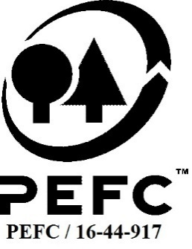

This schedule details the products which are included in the scope of the company's certification. It shall accompany the PEFC certificate. If the product scope changes a new schedule will be issued.

Certificate scope including products and certified sites may also be checked on the PEFC database www.pefc.org
Description of client / certificate holder
Name: | African Environmental Services (AES)
Address: | 20 Somers Road Clarendon, Pietermaritzburg, 3201
Country | RSA
Code: | SA-PEFC-FM-014016
Type of certificate | Group
Date of issue: | 10-Oct-23 | Date of expiry: | 9-Oct-28

Product Groups available from this certificate holder include:
PEFC Status | Product Category | Product code | Species
100% PEFC certified | Roundwood | 1000 | Pinus caribaea; Pinus elliottii x caribaea; Pinus elliottii; Pinus elliottii x roxburghii; Pinus elliottii x taeda; Pinus greggii; Pinus montezumae; Pinus patula; Pinus patula x elliottii; Pinus patula x taeda; Pinus patula x tecunumanii; Pinus pseudostrobus; Pinus radiata; Pinus roxburghii; Pinus taeda; Pinus tecunumanii; Pinus virginiana; Pinus halepensis; Acacia decurrens; Acacia mearnsii; Acacia melanoxylon; Corymbia citriodora; Corymbia henryii; Corymbia maculata; Eucalyptus andrewsii; Eucalyptus badjensis; Eucalyptus benthamii; Eucalyptus botryoides; Eucalyptus camaldulensis; Eucalyptus cloeziana; Eucalyptus dunnii; Eucalyptus elata; Eucalyptus fastigata; Eucalyptus fraxinoides; Eucalyptus grandis; Eucalyptus grandis x camaldulensis; Eucalyptus grandis x elata; Eucalyptus grandis x fastigata; Eucalyptus grandis x macarthurii; Eucalyptus grandis x nitens; Eucalyptus grandis x tereticornis; Eucalyptus grandis x urophylla; Eucalyptus macarthurii; Eucalyptus maculata; Eucalyptus maidenii; Eucalyptus microcorys; Eucalyptus nitens; Eucalyptus paniculata; Eucalyptus pellita; Eucalyptus punctata; Eucalyptus radiata; Eucalyptus regnans; Eucalyptus robusta; Eucalyptus rubida; Eucalyptus quadrangulata; Eucalyptus saligna; Eucalyptus smithii; Eucalyptus urophylla; Eucalyptus viminalis
Approval
Name: |  | Rob Shaw
Signed: |  | Rob Shaw
Date: |  | 2024-06-04 | Certification Code Updated

Soil Association Certification Ltd • United Kingdom
Telephone (+44) (0) 117 914 2435
Email forestry@soilassociation.org ● www.soilassociation.org/forestry

Soil Association Certification Ltd • Company Registration No. 726903
A wholly-owned subsidiary of the Soil Association Charity No. 20686
PEFC Licence Code PEFC / 16-44-917

