Cover
 |  |  | SA Certification Forest Certification Public Report | 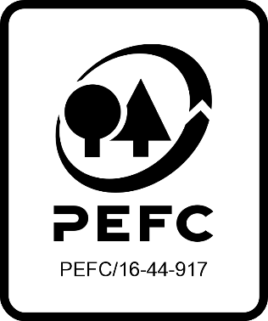

Forest Manager/Owner/organisation (Certificate Holder): |  |  | TWK Agri (Pty) Ltd

Forest Name/Group Name: |  |  | TWK Agri (Pty) Ltd
Region and Country: |  |  | South Africa
Standard: |  |  | PEFC Forest Management Standard SAFAS 4:2018 for South Africa
Certificate Code: |  |  | SA-PEFC-FM-001353
PEFC License Code: |  |  | not yet issued
Date of certificate issue: |  |  | 2024-04-19
Date of expiry of certificate: |  |  | 2029-04-18

 | Assessment date | Date Report Finalised/ Updated | SA Auditor | Checked by | Approved by
RA | 25 - 27 Feb 2024 | 17-Apr-24 | Rebecca Haskell, Ryan Connolly | Janette McKay | Janette McKay
S1
S2
S3
S4

Disclaimer: auditing is based on a sampling process of the available information.
Please note that the main text of this report is publicly available on request

Soil Association Certification Ltd • United Kingdom
Telephone (+44) (0) 117 914 2435
Email forestry@soilassociation.org • www.soilassociation.org/forestry

Soil Association Certification Ltd • Company Registration No. 726903
A wholly-owned subsidiary of the Soil Association Charity No. 20686

RT-FM-001a-06.1 June 2022. © Produced by Soil Association Certification Limited

A11a Cert Decsn
 | Soil Association Certification Decision
Description of client / certificate holder
Name: | TWK Agri (Pty) Ltd
Code: | SA-PEFC-FM-001353
Country | South Africa
# of sites: | 2
# of ha: | 2568.19
Presence of indigenous people: | No

Summary of audit
Type | RA
Names of auditors: | Rebecca Haskell, Ryan Connolly
Report Reviewer | Janette McKay
SA Certification staff member recommending certification decision | Janette McKay

Report summary
# of pre-conditions | 0
# of MAJOR conditions | 0
# of Minor conditions | 0
# of observations | 0
Describe any potentially contentious issues. | None
Location of report | Filed under: Forestry/Certification records

Recommendation
I have reviewed the report of this assessment (including stakeholder consultation and peer review summary as appropriate) and | I recommend that the certification decision for approval by SA Cert subject to compliance with the CARs listed above.

Date: | 2024-04-04

Approval
Certification Decision: | Approved: Maintain /grant certification

Name: | Janette McKay
Certification Decision made on behalf of Soil Association Certification Ltd: | Janette McKay
Date: | 2024-04-17

Soil Association Certification • United Kingdom
Telephone (+44) (0) 117 914 2435
Email forestry@soilassocation.org ● www.soilassociation.org/forestry

Soil Association Certification Ltd • Company Registration No. 726903
A wholly-owned subsidiary of the Soil Association Charity No. 20686

A12a Product schedule
 | Product Schedule |  | 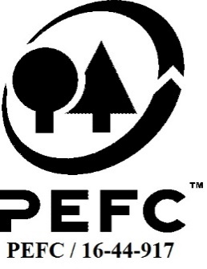

This schedule details the products which are included in the scope of the company's certification. It shall accompany the PEFC certificate. If the product scope changes a new schedule will be issued.

Certificate scope including products and certified sites may also be checked on the PEFC database www.pefc.org
Description of client / certificate holder
Name: | TWK Agri (Pty) Ltd
Address: | Postal address: P.O. Box 128, Piet Retief, Mpumalanga, South Africa 2380 Site address: 11 De Wet Street, Piet Retief. South Africa 2380
Country | SouthAfrica
Code: | SA-PEFC-FM-001353
Type of certificate | Multisite
Date of issue: | 19-Apr-24 | Date of expiry: | 18-Apr-29

Product Groups available from this certificate holder include:
PEFC Status | Product Category | Product code | Species
PEFC 100% | Roundwood Logs | 10100 | Pinus patula
PEFC 100% | Roundwood Logs | 10100 | Pinus elliottii
PEFC 100% | Roundwood Logs | 10100 | Pinus taeda
PEFC 100% | Roundwood Logs | 10100 | Eucalyptus dunnii
PEFC 100% | Roundwood Logs | 10100 | Eucalyptus grandis
PEFC 100% | Roundwood Logs | 10100 | Eucalyptus saligna
PEFC 100% | Roundwood Logs | 10100 | Eucalyptus maculata
PEFC 100% | Roundwood Logs | 10100 | Eucalyptus fastigata
PEFC 100% | Roundwood Logs | 10100 | Eucalyptus nitens
PEFC 100% | Roundwood Logs | 10100 | Acacia decurrens
PEFC 100% | Roundwood Logs | 10100 | Acacia mearnsii
PEFC 100% | Bark | 10500 | Pinus patula Pinus elliottii Pinus taeda Eucalyptus dunnii Eucalyptus grandis Eucalyptus saligna Eucalyptus maculata Eucalyptus fastigata Eucalyptus nitens Acacia decurrens. Acacia mearnsii
Approval
Name: |  | Janette McKay
Signed: |  | Janette McKay
Date: |  |  | 17-Apr-24

Soil Association Certification Ltd • United Kingdom
Telephone (+44) (0) 117 914 2435
Email forestry@soilassociation.org ● www.soilassociation.org/forestry

Soil Association Certification Ltd • Company Registration No. 726903
A wholly-owned subsidiary of the Soil Association Charity No. 20686
PEFC Licence Code PEFC / 16-44-917

