Cover
 |  |  | SA Certification Forest Certification Public Report | 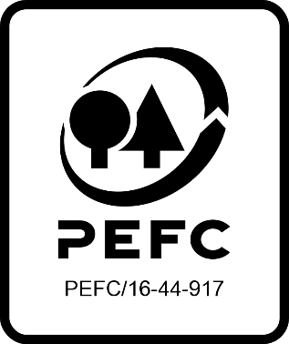

Forest Manager/Owner/organisation (Certificate Holder): |  |  | Greengold Management SRL

Forest Name/Group Name: |  |  | Forest managed by Greengold Management SRL
Region and Country: |  |  | Romania
Standard: |  |  | PEFC Forest Management Standard [PEFC-RO DST 8000:2017, Dated: 01-04-2018] for Romania PEFC Group Standard [PEFC-RO DST 8001:2017 Romanian Forest Certification Scheme 2017 – Annex 10 Group Certification Requirements, Dated: 01-04-2018] for Romania
Certificate Code: |  |  | SA-PEFC-FM-012823
PEFC License Code: |  |  | PEFC/46-22-01
Date of certificate issue: |  |  | 2022-12-16
Date of expiry of certificate: |  |  | 2027-12-15

 | Assessment date | Date Report Finalised/ Updated | SA Auditor | Checked by | Approved by
PA | 12-14.04.2022 | 2022-07-07 | Oliviu Iorgu | Cristina Laza | Janette McKay
MA | 3-6.10.2022 | 16/12/2022 20/12/2022 09/01/2023 | Oliviu Iorgu | Cristina Laza | Janette McKay
S1 | 13-16.11.2023 | 08/01/2024 11/01/2024 | Oliviu Iorgu | Cristina Laza | Janette McKay
S2
S3
S4

Disclaimer: auditing is based on a sampling process of the available information.
Please note that the main text of this report is publicly available on request

Soil Association Certification Ltd • United Kingdom
Telephone (+44) (0) 117 914 2435
Email forestry@soilassociation.org • www.soilassociation.org/forestry

Soil Association Certification Ltd • Company Registration No. 726903
A wholly-owned subsidiary of the Soil Association Charity No. 20686

RT-FM-001a-06.1 June 2022. © Produced by Soil Association Certification Limited

A11a Cert Decsn
 | Soil Association Certification Decision
Description of client / certificate holder
Name: | Greengold Management SRL
Code: | SA-PEFC-FM-012823
Country | Romania
# of sites: | 42
# of ha: | 42,699.05
Presence of indigenous people: | No

Summary of audit |  | Sumarul auditului
Type | S1 | Tip
Names of auditors: | Oliviu Iorgu | Numele auditorilor
Report Reviewer | Cristina Laza | Revizorul raportului
SA Certification staff member recommending certification decision |  | Angajatul SA Certification care recomanda decizia privitoare la certificare

Report summary |  | Sumarul raportului
# of pre-conditions | 0 | Numarul de pre-conditii
# of MAJOR conditions | 0 | Numarul de conditii MAJORE
# of Minor conditions | 0 | Numarul de conditii minore
# of observations | 0 | Numarul de observatii
Describe any potentially contentious issues. | none | Descrieti toate situatiile potential contencioase.
Location of report | Filed under: Forestry/Certification records | Raportul se arhiveaza la: Forestry/Certification records

Recommendation
I have reviewed the report of this assessment (including stakeholder consultation and peer review summary as appropriate) and | I recommend that the certification decision for approval by SA Cert subject to compliance with the CARs listed above.
Date:

Approval
Certification Decision: | Approved: Maintain /grant certification

Name: | Janette McKay
Certification Decision made on behalf of Soil Association Certification Ltd: | Janette McKay
Date: | 2024-01-08

Soil Association Certification • United Kingdom
Telephone (+44) (0) 117 914 2435
Email forestry@soilassocation.org ● www.soilassociation.org/forestry

Soil Association Certification Ltd • Company Registration No. 726903
A wholly-owned subsidiary of the Soil Association Charity No. 20686

A12a Product schedule
  | Product Schedule |  |  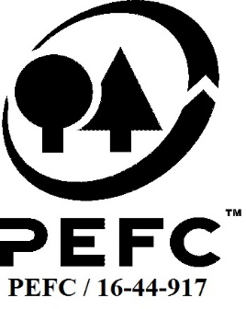

This schedule details the products which are included in the scope of the company's certification. It shall accompany the PEFC certificate. If the product scope changes a new schedule will be issued.

Certificate scope including products and certified sites may also be checked on the PEFC database www.pefc.org
Description of client / certificate holder
Name: | Greengold Management SRL
Address: | Str. Constantin Noica nr.24, Sibiu, cod 550169
Country | Romania
Code: | SA-PEFC-FM-012823
Type of certificate | Group
Date of issue: | 16-Dec-22 | Date of expiry: | 15-Dec-27

Product Groups available from this certificate holder include:
PEFC Status | Product Category | Product code | Species
100% PEFC Certified | Sawlogs and veneer logs | #010100 | Abies alba Acer campestre Acer pseudoplatanus Acer tataricum Acer negundo Acer platanoides Ailanthus altissima Alnus glutinosa Betula pendula Carpinus betulus Carpinus orientalis Corylus avellana Fagus sylvatica Fraxinus excelsior Fraxinus ornus Gleditsia triacantos Juglans regia Larix decidua Malus silvestris Morus spp. Picea abies Pinus nigra Pinus sylvestris Pinus strobus Populus alba Populus euramericana Populus nigra Populus tremula Prunus cerasifera Prunus avium Pseudotsuga menziesii Pyrus pyraster Quercus cerris Quercus frainetto Quercus petraea Quercus robur Quercus pedunculiflora Qurecus rubra Robinia pseudoacacia Rhus tiphyna Salix spp. Sorbus auquparia Sorbus torminalis Tilia tomentosa Tilia cordata Ulmus spp.
100% PEFC Certified | Fuelwood | #020100

Approval
Name: |  | Janette McKay
Signed:
Date: |  | 2022-12-16

Soil Association Certification Ltd • United Kingdom
Telephone (+44) (0) 117 914 2435
Email forestry@soilassociation.org ● www.soilassociation.org/forestry

Soil Association Certification Ltd • Company Registration No. 726903
A wholly-owned subsidiary of the Soil Association Charity No. 20686
PEFC Licence Code PEFC / 16-44-917

