Cover
 |  |  | SA Certification Forest Certification Public Report | 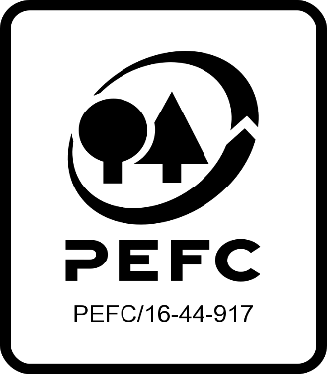

Forest Manager/Owner/organisation (Certificate Holder): |  |  | Madelinelund ApS

Forest Name/Group Name: |  |  | See Annex 7
Region and Country: |  |  | Denmark
Standard: |  |  | PEFC DK 001-4 PEFC Denmark' Forest standard PEFC DK 003-5 PEFC Denmark's Requirements for group certification of sustainable forest management.
Certificate Code: |  |  | SA-PEFC-FM-012910
PEFC License Code: |  |  | PEFC/09-22-016
Date of certificate issue: |  |  | 02.03.2022
Date of expiry of certificate: |  |  | 01.03.2027

 | Assessment date | Date Report Finalised/ Updated | SA Auditor | Checked by | Approved by
PA | 30.12.2021 | 21.01.2022 | Anja Skriver Brogaard; Karina Seeberg Kitnaes | Valentins Kuksinovs | Valentins Kuksinovs
MA/RA | 25-26.01.2022 | 02.03.2022 | Karina Seeberg Kitnaes | Rob Shaw | Rob Shaw
S1 | 08-09.03.2023 | 31.05.2023 | Karina Seeberg Kitnaes; Michael Byskov Koldsø | Valentins Kuksinovs | Valentins Kuksinovs
S2 | 26-27.02.2024 | 5-Apr-24 | Karina Seeberg Kitnaes; Michael Byskov Koldsø | John Rogers | John Rogers
S3
S4

Disclaimer: auditing is based on a sampling process of the available information.
Please note that the main text of this report is publicly available on request

Soil Association Certification Ltd • United Kingdom
Telephone (+44) (0) 117 914 2435
Email forestry@soilassociation.org • www.soilassociation.org/forestry

Soil Association Certification Ltd • Company Registration No. 726903
A wholly-owned subsidiary of the Soil Association Charity No. 20686

RT-FM-001a-06.1 June 2022. © Produced by Soil Association Certification Limited

A11a Cert Decsn
 | Soil Association Certification Decision
Description of client / certificate holder
Name: | Madelinelund ApS
Code: | SA-PEFC-FM-012910
Country | Denmark
# of sites: | 12
# of ha: | 4441.79
Presence of indigenous people: | No

Summary of audit
Type | S2
Names of auditors: | Michael B. Koldsø; Karina S. Kitnaes
Report Reviewer | John Rogers
SA Certification staff member recommending certification decision | John Rogers

Report summary
# of pre-conditions | 0
# of MAJOR conditions | 0
# of Minor conditions | 0
# of observations | 0
Describe any potentially contentious issues. | None
Location of report | Filed under: Forestry/Certification records

Recommendation
I have reviewed the report of this assessment (including stakeholder consultation and peer review summary as appropriate) and | I recommend that the certification decision for approval by SA Cert subject to compliance with the CARs listed above.

Date:

Approval
Certification Decision: | Approved: Maintain /grant certification

Name: | John Rogers
Certification Decision made on behalf of Soil Association Certification Ltd: | John Rogers
Date: | 2024-04-05

Soil Association Certification • United Kingdom
Telephone (+44) (0) 117 914 2435
Email forestry@soilassocation.org ● www.soilassociation.org/forestry

Soil Association Certification Ltd • Company Registration No. 726903
A wholly-owned subsidiary of the Soil Association Charity No. 20686

A12a Product schedule
 | Product Schedule |  | 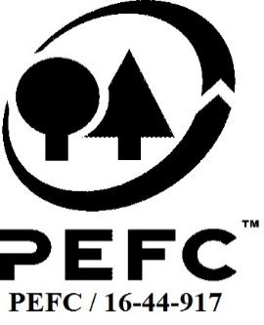

This schedule details the products which are included in the scope of the company's certification. It shall accompany the PEFC certificate. If the product scope changes a new schedule will be issued.

Certificate scope including products and certified sites may also be checked on the PEFC database www.pefc.org
Description of client / certificate holder
Name: | Madelinelund ApS
Address: | Flougårdsvej 6, DK - 9575 Terndrup
Country | Denmark
Code: | SA-PEFC-FM-012910
Type of certificate | Group
Date of issue: | 02.03.2022 | Date of expiry: | 01.03.2027

Product Groups available from this certificate holder include:
PEFC Status | Product Category | Product code | Species
100% PEFC certified | Roundwood / Logs | #010000 | 1 + 3
100% PEFC certified | Firewood | #020100 | 1 + 3
100% PEFC certified | Wood chips | #010300 | 1 + 3

Approval
Name: |  | John Rogers
Signed: |  | John Rogers
Date: |  |  | 5-Apr-24

Soil Association Certification Ltd • United Kingdom
Telephone (+44) (0) 117 914 2435
Email forestry@soilassociation.org ● www.soilassociation.org/forestry

Soil Association Certification Ltd • Company Registration No. 726903
A wholly-owned subsidiary of the Soil Association Charity No. 20686
PEFC Licence Code PEFC / 16-44-917

