Cover
 |  |  | Forest Certification Public Report | 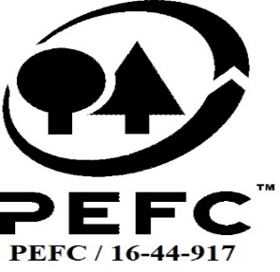

Forest Manager/Owner /organisation (Certificate Holder): |  |  | HedeDanmark A/S

Forest Name/Group Name: |  |  | HedeDanmark A/S PEFC group scheme for forest owners
Region and Country: |  |  | Denmark
Standard: |  |  | PEFC DK 001-4 Forest Management Standard PEFC DK 003-5 Requirements for group certification
Certificate Code: |  |  | SA-PEFC-FM-002761
PEFC License Code: |  |  | PEFC/09-22-005
Date of certificate issue: |  |  | 2021-01-14
Date of expiry of certificate: |  |  | 2026-01-13

 | Assessment date | Date Report Finalised/ Updated | SA Auditor | Checked by | Approved by
RA | 22-26.06.20; 27.08.2020 | 11-Nov-20 | Karina Seeberg Kitnaes | John Rogers | John Rogers
S1 | 21-25.06.2021 | 21-10-2021; 02/02/2022 | Anja S. Brogaard | Gus Hellier | John Rogers
S2 | 7-29.06.2022; 17-19.08.2022 | 13-Oct-22 | Karina Seeberg Kitnaes | John Rogers | John Rogers
S3 | 06-16.06.2023 | 1-Sep-23 | Karina Seeberg Kitnaes | John Rogers | John Rogers
S4

Please note that the main text of this report is publicly available on request

Soil Association Certification Ltd • United Kingdom
Telephone (+44) (0) 117 914 2435
Email forestry@soilassociation.org • www.soilassociation.org/forestry

Soil Association Certification Ltd • Company Registration No. 726903
A wholly-owned subsidiary of the Soil Association Charity No. 20686

RT-FM-001a-06 April 2020. © Produced by Soil Association Certification Limited

