Cover
 |  |  | SA Certification Forest Certification Public Report | 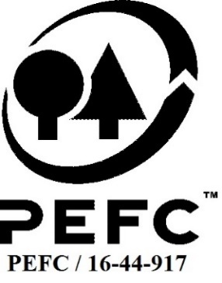

Forest Manager/Owner/organisation (Certificate Holder): |  |  | Foraois Growth Ltd

Forest Name/Group Name: |  |  | Foraois Growth Ltd
Region and Country: |  |  | Ireland
Standard: |  |  | PEFC Irish Forest Certification Standard (Jan 2014)
Certificate Code: |  |  | SA-PEFC-FM-007488
PEFC License Code: |  |  | PEFC/17-23-075
Date of certificate issue: |  |  | 2019-12-12
Date of expiry of certificate: |  |  | 2024-12-11

 | Assessment date | Date Report Finalised/ Updated | SA Auditor | Checked by | Approved by
PA | 12-13/09/2019 |  | Rebecca Haskell | Andy Grundy | Andy Grundy
MA | 12-14/11/19 | 12-Dec-19 | Rebecca Haskell | Andy Grundy | Andy Grundy
S1 REMOTE | 23-24 Nov 2020 | 8-Feb-21 | Rebecca Haskell | Andy Grundy with Nicola Brennan | Andy Grundy
S2 | 07-08/09/2021 | 05/01/2022 15/06/2022 | Huw Denman | Nicola Brennan | Andy Grundy
S3 | 03-05/10/22 | 12-Dec-22 | Huw Denman | Valentins Kuksinovs | James Evans
S4 | 06-08/11/23 | 14-Dec-23 | Mechteld Schuller | Valentins Kuksinovs | Valentins Kuksinovs

Disclaimer: auditing is based on a sampling process of the available information.
Please note that the main text of this report is publicly available on request

Soil Association Certification Ltd • United Kingdom
Telephone (+44) (0) 117 914 2435
Email forestry@soilassociation.org • www.soilassociation.org/forestry

Soil Association Certification Ltd • Company Registration No. 726903
A wholly-owned subsidiary of the Soil Association Charity No. 20686

RT-FM-001a-06.1 June 2022. © Produced by Soil Association Certification Limited

A11a Cert Decsn
 | Soil Association Certification Decision
Description of client / certificate holder
Name: | Foraois Growth Ltd
Code: | SA-PEFC-FM-007488
Country | Ireland
# of sites: | 1 FMU (138 sites)
# of ha: | 3376
Presence of indigenous people: | no

Summary of audit
Type | S4
Names of auditors: | Mechteld Schuller
Report Reviewer | Valentins Kuksinovs
SA Certification staff member recommending certification decision | Valentins Kuksinovs

Report summary
# of pre-conditions | 0
# of MAJOR conditions | 0
# of Minor conditions | 0
# of observations | 0
Describe any potentially contentious issues. | n/a
Location of report | Filed under: Forestry/Certification records

Recommendation
I have reviewed the report of this assessment (including stakeholder consultation and peer review summary as appropriate) and
Date: | 2023-12-14

Approval
Certification decision: | Approved

Name: | Valentins Kuksinovs
Certification decision made on behalf of Soil Association Certification Ltd: | Valentins Kuksinovs
Date: | 2023-12-14

Soil Association Certification • United Kingdom
Telephone (+44) (0) 117 914 2435
Email forestry@soilassocation.org ● www.soilassociation.org/forestry

Soil Association Certification Ltd • Company Registration No. 726903
A wholly-owned subsidiary of the Soil Association Charity No. 20686

A12a Product schedule
 | Product Schedule |  | 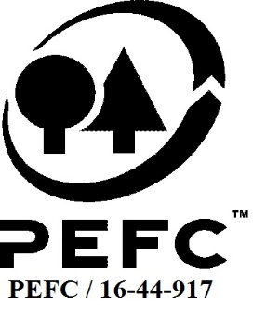

This schedule details the products which are included in the scope of the company's certification. It shall accompany the PEFC certificate. If the product scope changes a new schedule will be issued.

Certificate scope including products and certified sites may also be checked on the PEFC database www.pefc.org
Description of client / certificate holder
Name: | Foraois Growth Ltd
Address: | Enterprise House, Marina Commercial Park, Cork, T12 X4YW
Country | Ireland
Code: | SA-PEFC-FM-007488
Type of certificate | Single
Date of issue: | 12-Dec-19 | Date of expiry: | 11-Dec-24

Product Groups available from this certificate holder include:
PEFC Status | Product Category | Product code | Species
PEFC 100% | Roundwood - Sawlogs and veneer logs, Pulpwood | 1010, 1020 | 1 - Coniferous 3 - Non-coniferous other
PEFC 100% | Fuelwood | 2010 | 1 - Coniferous 3 - Non-coniferous other

Approval
Name: |  | Andy Grundy
Signed: |  | Andy Grundy
Date: |  | 12-Dec-19

Soil Association Certification Ltd • United Kingdom
Telephone (+44) (0) 117 914 2435
Email forestry@soilassociation.org ● www.soilassociation.org/forestry

Soil Association Certification Ltd • Company Registration No. 726903
A wholly-owned subsidiary of the Soil Association Charity No. 20686
PEFC Licence Code PEFC / 16-44-917

