Cover
 |  |  | SA Certification Forest Certification Public Report | 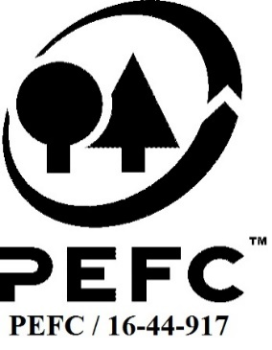

Forest Manager/Owner/organisation (Certificate Holder): |  |  | Forestry Services Ltd

Forest Name/Group Name: |  |  | Forestry Services Ltd
Region and Country: |  |  | Ireland
Standard: |  |  | PEFC Forest Management Standard 2011 for Ireland; SACL Group Standard
Certificate Code: |  |  | SA-PEFC-FM/COC-007227
PEFC License Code: |  |  | PEFC/17-22-065
Date of certificate issue: |  |  | 2019-09-06
Date of expiry of certificate: |  |  | 2024-09-05

 | Assessment date | Date Report Finalised/ Updated | SA Auditor | Checked by | Approved by
PA
MA | 1-3/07/19 | 6-Sep-19 | Huw Denman | Andy Grundy | Andy Grundy
S1 | 20-Jul-20 | 13-Oct-20 | Huw Denman | Andy Grundy | Andy Grundy
S2 | 22-Jun-21 | 7-Oct-21 | Huw Denman | Andy Grundy | Andy Grundy
S3 | 14-15/07/22 | 12/10/2022 10/02/2023 | Huw Denman | Cristina Laza | Andy Grundy
S4 | 19/20 June 2023 | 13-Sep-23 | Clive Thomas | John Rogers | John Rogers

Disclaimer: auditing is based on a sampling process of the available information.
Please note that the main text of this report is publicly available on request

Soil Association Certification Ltd • United Kingdom
Telephone (+44) (0) 117 914 2435
Email forestry@soilassociation.org • www.soilassociation.org/forestry

Soil Association Certification Ltd • Company Registration No. 726903
A wholly-owned subsidiary of the Soil Association Charity No. 20686

RT-FM-001a-06 April 2020. © Produced by Soil Association Certification Limited

A11a Cert Decsn
 | Soil Association Certification Decision
Description of client / certificate holder
Name: | Forestry Services Ltd
Code: | SA-PEFC-FM/COC-007227
Country | Ireland
# of sites: | 13
# of ha: | 554.92
Presence of indigenous people: | no

Summary of audit
Type | S4
Names of auditors: | Clive Thomas
Report Reviewer | John Rogers
SA Certification staff member recommending certification decision | John Rogers

Report summary
# of pre-conditions
# of MAJOR conditions | 0
# of Minor conditions | 2
# of observations | 2
Describe any potentially contentious issues.
Location of report | Filed under: Forestry/Certification records

Recommendation
I have reviewed the report of this assessment (including stakeholder consultation and peer review summary as appropriate) and | I recommend that the certification decision for approval by SA Cert subject to compliance with the CARs listed above.

Date: | 2023-09-07

Approval
Certification decision: | Approved: Maintain /grant certification

Name: | John Rogers
Certification Decision made on behalf of Soil Association Certification Ltd: | John Rogers
Date: | 2023-09-13

Soil Association Certification • United Kingdom
Telephone (+44) (0) 117 914 2435
Email forestry@soilassocation.org ● www.soilassociation.org/forestry

Soil Association Certification Ltd • Company Registration No. 726903
A wholly-owned subsidiary of the Soil Association Charity No. 20686

A12a Product schedule
 | Product Schedule |  | 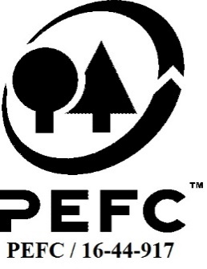

This schedule details the products which are included in the scope of the company's certification. It shall accompany the PEFC certificate. If the product scope changes a new schedule will be issued.

Certificate scope including products and certified sites may also be checked on the PEFC database www.pefc.org
Description of client / certificate holder
Name: | Forestry Services Ltd
Address: | Unit 3, Cillin Hill, Dublin Road, Kilkenny, R95 A4VP
Country | Ireland
Code: | SA-PEFC-FM/COC-007227
Type of certificate | Group
Date of issue: | 6-Sep-19 | Date of expiry: | 5-Sep-24

Product Groups available from this certificate holder include:
PEFC Status | Product Category | Product code | Species
PEFC 100% | Roundwood | 1000 | 1 - Coniferous 3 - Non-coniferous other

Approval
Name: |  | Andy Grundy
Signed:
Date:

Soil Association Certification Ltd • United Kingdom
Telephone (+44) (0) 117 914 2435
Email forestry@soilassociation.org ● www.soilassociation.org/forestry

Soil Association Certification Ltd • Company Registration No. 726903
A wholly-owned subsidiary of the Soil Association Charity No. 20686
PEFC Licence Code PEFC / 16-44-917

