Cover
 |  |  | SA Certification Forest Certification Public Report | 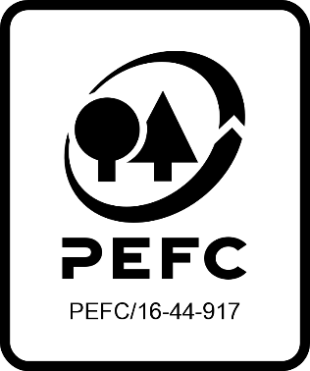

Forest Manager/Owner/organisation (Certificate Holder): |  |  | UK Forest Certification Group Scheme

Forest Name/Group Name: |  |  | UK Forest Certification Group Scheme
Region and Country: |  |  | UK
Standard: |  |  | UKWAS v4 (2018)
Certificate Code: |  |  | SA-PEFC-FM-COC-004807
PEFC License Code: |  |  | PEFC/16-40-2131
Date of certificate issue: |  |  | 2022-08-16
Date of expiry of certificate: |  |  | 2027-08-15

 | Assessment date | Date Report Finalised/ Updated | SA Auditor | Checked by | Approved by
RA | 23-28/4/22 3/5/22 10/5/22 12/5/22 | 29/07/2022 20/10/2022 23/11/2022 28/11/2022 | Robin Walter | Andy Grundy | Andy Grundy
S1 | 14-20 May 2023 | 28/07/2023 10/08/2023 08/09/2023 | Rebecca Haskell | Janette McKay | Janette McKay
S2
S3
S4

Disclaimer: auditing is based on a sampling process of the available information.
Please note that the main text of this report is publicly available on request

Soil Association Certification Ltd • United Kingdom
Telephone (+44) (0) 117 914 2435
Email forestry@soilassociation.org • www.soilassociation.org/forestry

Soil Association Certification Ltd • Company Registration No. 726903
A wholly-owned subsidiary of the Soil Association Charity No. 20686

RT-FM-001a-06.1 June 2022. © Produced by Soil Association Certification Limited

A11a Cert Decsn
 | Soil Association Certification Decision
Description of client / certificate holder
Name: | UK Forest Certification Group Scheme
Code: | SA-PEFC-FM-COC-004807
Country | UK
# of sites: | 186
# of ha: | 91291.99
Presence of indigenous people: | No

Summary of audit
Type | S1
Names of auditors: | Rebecca Haskell, Ian Rowland
Report Reviewer | Janette Mckay
SA Certification staff member recommending certification decision | Janette Mckay

Report summary
# of pre-conditions | 0
# of MAJOR conditions | 0
# of Minor conditions | 0
# of observations | 0
Describe any potentially contentious issues. | None
Location of report | Filed under: Forestry/Certification records

Recommendation
I have reviewed the report of this assessment (including stakeholder consultation and peer review summary as appropriate) and | I recommend that the certification decision for approval by SA Cert subject to compliance with the CARs listed above.

Date: | 2023-07-27

Approval
Certification Decision: | Approved: Maintain /grant certification

Name: | Janette Mckay
Certification Decision made on behalf of Soil Association Certification Ltd: | Janette McKay
Date: | 2023-07-28

Soil Association Certification • United Kingdom
Telephone (+44) (0) 117 914 2435
Email forestry@soilassocation.org ● www.soilassociation.org/forestry

Soil Association Certification Ltd • Company Registration No. 726903
A wholly-owned subsidiary of the Soil Association Charity No. 20686

A12a Product schedule
 | Product Schedule |  | 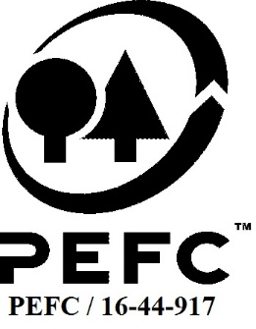

This schedule details the products which are included in the scope of the company's certification. It shall accompany the PEFC certificate. If the product scope changes a new schedule will be issued.

Certificate scope including products and certified sites may also be checked on the PEFC database www.pefc.org
Description of client / certificate holder
Name: | UK Forest Certification Ltd
Address: | 2 Merton Court, Canal Road, Hereford, HR1 2EA
Country | UK
Code: | SA-PEFC-FM-COC-004807
Type of certificate | Group
Date of issue: | 16-Aug-22 | Date of expiry: | 15-Aug-27

Product Groups available from this certificate holder include:
PEFC Status | Product Category | Product code | Species
100% PEFC certified | Roundwood - Sawlogs and veneer logs | 1010 | 1 - Coniferous & 3 - Non-Coniferous other Abies grandis; Abies procera; Chamaecyparis lawsoniana; Larix kaempferi; Larix x eurolepis; Larix europea; Picea abies; Picea sitchensis; Pinus nigra; Pinus sylvestris; Pinus contorta; Pseudotsuga menziesii; Sequoiadendron giganteum; Sequoia sempervirens; Thuja plicata; Tsuga heterophylla; Taxodium dictichum; Acer campestre; Acer pseudoplatanus; Acer platanoides; Alnus glutinosa; Betula pendula; Betula pubescens; Carpinus betulus; Castanea sativa; Crataegus monogyna; Corylus avellana; Fagus sylvatica; Fraxinus excelsior; Prunus avium; Prunus spinosa; Quercus robur; Quercus petraea; Quercus rubra; Salix spp.; Ulmus spp.; Poplus spp.; Tilia spp.; Juglans spp.; Sorbus terminalis; Ilex aquifolium; Aesculus hippocastanum
100% PEFC certified | Pulpwood | 1020
100% PEFC certified | Chips and particles | 1030
100% PEFC certified | Wood residues | 1040
100% PEFC certified | Other industrial roundwood | 1050
100% PEFC certified | Fuelwood (incl chips, residues, pellets, brickets, etc.) | 2010
100% PEFC certified | Exterior products | 9000
100% PEFC certified | Charcoal | 2020 | n/a

Approval
Name:
Signed:
Date:

Soil Association Certification Ltd • United Kingdom
Telephone (+44) (0) 117 914 2435
Email forestry@soilassociation.org ● www.soilassociation.org/forestry

Soil Association Certification Ltd • Company Registration No. 726903
A wholly-owned subsidiary of the Soil Association Charity No. 20686
PEFC Licence Code PEFC / 16-44-917

