Cover
 |  |  | SA Certification Forest Certification Public Report | 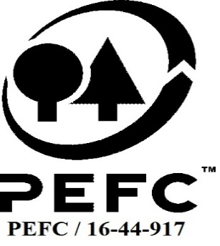

Forest Manager/Owner/organisation (Certificate Holder): |  |  | RTS Ltd

Forest Name/Group Name: |  |  | RTS Ltd
Region and Country: |  |  | United Kingdom
Standard: |  |  | PEFC Forest Management Standard for the United Kingdom; PEFC Group Standard for the United Kingdom; UKWAS 4.0 (2018)
Certificate Code: |  |  | SA-PEFC-FM -007176
PEFC License Code: |  |  | PEFC/16-40-2253
Date of certificate issue: |  |  | 2022-01-26
Date of expiry of certificate: |  |  | 2027-01-25

 | Assessment date | Date Report Finalised/ Updated | SA Auditor | Checked by | Approved by
PA | n/a
RA | 18 - 29 Oct | 13/01/2022 22/02/2022 19/05/2022 | Rebecca Haskell, Janette Mckay | Nicola Brennan with Milan Reška | Andy Grundy
S1 | 19th - 29th September 2022 | 16-Dec-22 | Rebecca Haskell | Ambra Scodro | John Rogers
S2 | 30/10/23 - 07/11/23 | 31/01/2024 02/04/2024 | Rebecca Haskell | Valentins Kuksinovs | Valentins Kuksinovs
S3
S4

Disclaimer: auditing is based on a sampling process of the available information.
Please note that the main text of this report is publicly available on request

Soil Association Certification Ltd • United Kingdom
Telephone (+44) (0) 117 914 2435
Email forestry@soilassociation.org • www.soilassociation.org/forestry

Soil Association Certification Ltd • Company Registration No. 726903
A wholly-owned subsidiary of the Soil Association Charity No. 20686

RT-FM-001a-06.1 June 2022. © Produced by Soil Association Certification Limited

A11a Cert Decsn
 | Soil Association Certification Decision
Description of client / certificate holder
Name: | RTS Ltd
Code: | SA-PEFC-FM -007176
Country | UNITED KINGDOM
# of sites: | 46
# of ha: | 20813.57
Presence of indigenous people: | No

Summary of audit
Type | S2
Names of auditors: | Rebecca Haskell
Report Reviewer
SA Certification staff member recommending certification decision

Report summary
# of pre-conditions | 0
# of MAJOR conditions | 3
# of Minor conditions | 5
# of observations | 3 raised during audit, 2 remain open from previous years
Describe any potentially contentious issues. | None
Location of report | Filed under: Forestry/Certification records

Recommendation | I recommend that the certification decision for approval by SA Cert subject to compliance with the CARs listed above.
I have reviewed the report of this assessment (including stakeholder consultation and peer review summary as appropriate) and

Date: | 2023-11-12

Approval
 | Approved: Maintain /grant certification
Name: | Valentins Kuksinovs
Certificate Decision made on behalf of Soil Association Certification Ltd: | Valentins Kuksinovs
Date: | 2024-01-31

Soil Association Certification • United Kingdom
Telephone (+44) (0) 117 914 2435
Email forestry@soilassocation.org ● www.soilassociation.org/forestry

Soil Association Certification Ltd • Company Registration No. 726903
A wholly-owned subsidiary of the Soil Association Charity No. 20686

A12a Product schedule
 | Product Schedule |  | 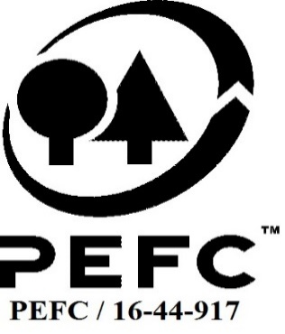

This schedule details the products which are included in the scope of the company's certification. It shall accompany the PEFC certificate. If the product scope changes a new schedule will be issued.

Certificate scope including products and certified sites may also be checked on the PEFC database www.pefc.org
Description of client / certificate holder
Name: | RTS Ltd
Address: | Earnside House, Muthill Road Crieff PH7 4DH Perthshire
Country | United Kingdom
Code: | SA-PEFC-FM-007176
Type of certificate | Group
Date of issue: | 26-Jan-22 | Date of expiry: | 25-Jan-27

Product Groups available from this certificate holder include:
PEFC Status | Product Category | Product code | Species
100% PEFC certified | Roundwood | 1000 | Abies grandis, Abies procera, Larix kaempferi, Larix x eurolepis, Picea abies, Picea sitchensis, Pinus nigra, Pinus sylvestris, Pinus contorta, Pseudotsuga menziesii, Thuja plicata, Tsuga heterophylla, Betula Pendula
100% PEFC certified | Fuelwood | 2000 | Abies grandis, Abies procera, Larix kaempferi, Larix x eurolepis, Picea abies, Picea sitchensis, Pinus nigra, Pinus sylvestris, Pinus contorta, Pseudotsuga menziesii, Thuja plicata, Tsuga heterophylla, Betula Pendula

Approval
Name: |  | Andy Grundy
Signed:
Date: |  | 2022-01-13

Soil Association Certification Ltd • United Kingdom
Telephone (+44) (0) 117 914 2435
Email forestry@soilassociation.org ● www.soilassociation.org/forestry

Soil Association Certification Ltd • Company Registration No. 726903
A wholly-owned subsidiary of the Soil Association Charity No. 20686
PEFC Licence Code PEFC / 16-44-917

