Cover
 |  |  | SA Certification Forest Certification Public Report | 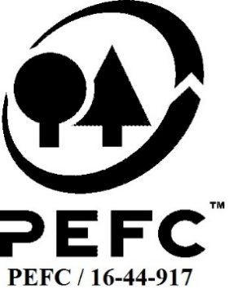

Forest Manager/Owner/organisation (Certificate Holder): |  |  | Natural Resources Wales

Forest Name/Group Name: |  |  | Natural Resources Wales
Region and Country: |  |  | Wales, United Kingdom
Standard: |  |  | PEFC Forest Management Standard [UK Woodland Assurance Standard (UKWAS) v4.0 2018] for [UK];
Certificate Code: |  |  | SA-PEFC-FM-007116
PEFC License Code: |  |  | PEFC/16-40-1003
Date of certificate issue: |  |  | 2019-11-12
Date of expiry of certificate: |  |  | 2024-11-11

 | Assessment date | Date Report Finalised/ Updated | SA Auditor | Checked by | Approved by
PA
MA | 29th July to 1st August 2019 | 09/10/2019 17/10/2019 | Carol Robertson | Rebecca Haskell | Andy Grundy
S1 | 5th to 9th & 12th to 13th October 2020 | 9-Dec-20 | Carol Robertson | Gus Hellier | Andy Grundy
S2 | 9th to 12th August 2021 | 20/10/2021 16/06/2022 | Carol Robertson (lead) Rebecca Haskell (auditor) | Gus Hellier | Andy Grundy
S3 | 19 Oct and14 - 17 November 2022 | 2022-12-12 | Rebecca Haskell (lead) & Robin Walter ( Auditor) | Gus Hellier | John Rogers
S4 | 26-29/6/2023 | 26-Sep-23 | Robin Walter | M-Christine Fléchard | M-Christine Fléchard

Disclaimer: auditing is based on a sampling process of the available information.
Please note that the main text of this report is publicly available on request

Soil Association Certification Ltd • United Kingdom
Telephone (+44) (0) 117 914 2435
Email forestry@soilassociation.org • www.soilassociation.org/forestry

Soil Association Certification Ltd • Company Registration No. 726903
A wholly-owned subsidiary of the Soil Association Charity No. 20686

RT-FM-001a-06.1 June 2022. © Produced by Soil Association Certification Limited

A11a Cert Decsn
 | Soil Association Certification Decision
Description of client / certificate holder
Name: | Natural Resources Wales
Code: | SA-PEFC-FM-007116
Country | UK
# of sites: | 6
# of ha: | 123554
Presence of indigenous people: | no

Summary of audit
Type | S4
Names of auditors: | Robin Walter, Valentins Kuksinovs
Report Reviewer | Marie-Christine Fléchard
SA Certification staff member recommending certification decision | Marie-Christine Fléchard

Report summary
# of pre-conditions | n/a
# of MAJOR conditions | 0
# of Minor conditions | 1
# of observations | 2
Describe any potentially contentious issues. | 0
Location of report | Filed under: Forestry/Certification records

Recommendation
I have reviewed the report of this assessment (including stakeholder consultation and peer review summary as appropriate) and
Date: | 2023-09-13

Approval
Certification decision: | Approved
Name: | Marie-Christine Fléchard
Certification decision made on behalf of Soil Association Certification Ltd: | Marie-Christine Fléchard
Date: | 26-Sep-23

Soil Association Certification • United Kingdom
Telephone (+44) (0) 117 914 2435
Email forestry@soilassocation.org ● www.soilassociation.org/forestry

Soil Association Certification Ltd • Company Registration No. 726903
A wholly-owned subsidiary of the Soil Association Charity No. 20686

A12a Product schedule
 | Product Schedule |  | 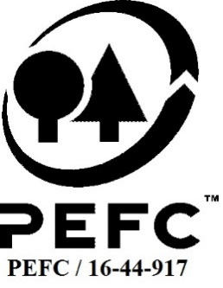

This schedule details the products which are included in the scope of the company's certification. It shall accompany the PEFC certificate. If the product scope changes a new schedule will be issued.

Certificate scope including products and certified sites may also be checked on the PEFC database www.pefc.org
Description of client / certificate holder
Name: | Natural Resources Wales
Address: | Ty Cambria, Newport Road, Cardiff, CF24 0TP
Country | UK
Code: | SA-PEFC-FM-007116
Type of certificate | SA-PEFC-FM-007116
Date of issue: | 12-Nov-19 | Date of expiry: | 11-Nov-24

Product Groups available from this certificate holder include:
PEFC Status | Product Category | Product code | Species
x% PEFC certified | Roundwood, residues | 1000 | 1,3
x% PEFC certified | Christmas Trees | 14000 | 1
x% PEFC certified | Game | 13000 | 4

Approval
Name: |  | Andy Grundy
Signed: |  | 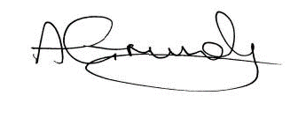
Date: |  | Reissued 16/06/2022 - change in PEFC code format

Soil Association Certification Ltd • United Kingdom
Telephone (+44) (0) 117 914 2435
Email forestry@soilassociation.org ● www.soilassociation.org/forestry

Soil Association Certification Ltd • Company Registration No. 726903
A wholly-owned subsidiary of the Soil Association Charity No. 20686
PEFC Licence Code PEFC / 16-44-917

