Cover
 |  |  | SA Certification Forest Certification Public Report | 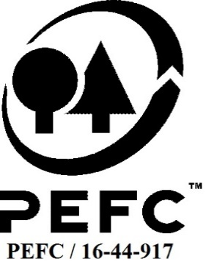

Forest Manager/Owner/organisation (Certificate Holder): |  |  | The National Trust

Forest Name/Group Name: |  |  | The National Trust
Region and Country: |  |  | UK
Standard: |  |  | PEFC Forest Management Standard for United Kingdom; UKWAS(2018, v4.0)
Certificate Code: |  |  | SA-PEFC-FM-001526
PEFC License Code: |  |  | PEFC-
Date of certificate issue: |  |  | 2021-10-04
Date of expiry of certificate: |  |  | 2026-10-03

 | Assessment date | Date Report Finalised/ Updated | SA Auditor | Checked by | Approved by
PA
RA Hybrid Audit | 5 - 15/7/21 | 2021-09-29 | Robin Walter - Audit Team Leader, Nicola Brennan – Auditor in training, Pablo Orpez – Auditor in training | Valentins Kuksinovs and Andrew Grundy | Andy Grundy
S1 | 27-29/07/22 and 2-5/8/22 | 19-Oct-22 | Robin Walter | Gus Hellier | John Rogers
S2 | 2-5 and 10-12 Oct 2023 | 11-Jan-24 | Robin Walter | Gus Hellier | John Rogers
S3
S4

Disclaimer: auditing is based on a sampling process of the available information.
Please note that the main text of this report is publicly available on request

Soil Association Certification Ltd • United Kingdom
Telephone (+44) (0) 117 914 2435
Email forestry@soilassociation.org • www.soilassociation.org/forestry

Soil Association Certification Ltd • Company Registration No. 726903
A wholly-owned subsidiary of the Soil Association Charity No. 20686

RT-FM-001a-06 April 2020. © Produced by Soil Association Certification Limited

A11a Cert Decsn
 | Soil Association Certification Decision
Description of client / certificate holder
Name: | The National Trust
Code: | SA-PEFC-FM-001526
Country | UK
# of sites: | 403
# of ha: | 26465
Presence of indigenous people: | no

Summary of audit
Type | S2
Names of auditors: | Robin Walter
Report Reviewer | Gus Hellier
SA Certification staff member recommending certification decision | John Rogers

Report summary
# of pre-conditions | 0
# of MAJOR conditions | 0
# of Minor conditions | 0
# of observations | 1
Describe any potentially contentious issues. | n/a
Location of report

Recommendation
I have reviewed the report of this assessment (including stakeholder consultation and peer review summary as appropriate) and
 | I recommend certification approval by Soil Association Certification subject to compliance with the Conditions as listed above.

Date: | 8.12.23

Approval
Certification decision: | Approved

Name: | John Rogers
Certification decision made on behalf of Soil Association Certification Limited: | John Rogers
Date: | 2024-01-11

Soil Association Certification • United Kingdom
Telephone (+44) (0) 117 914 2435
Email forestry@soilassocation.org ● www.soilassociation.org/forestry

Soil Association Certification Ltd • Company Registration No. 726903
A wholly-owned subsidiary of the Soil Association Charity No. 20686

A12a Product schedule
 | Product Schedule |  | 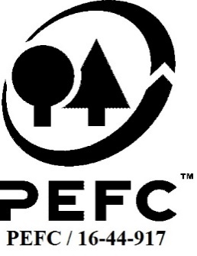

This schedule details the products which are included in the scope of the company's certification. It shall accompany the PEFC certificate. If the product scope changes a new schedule will be issued.

Certificate scope including products and certified sites may also be checked on the PEFC database www.pefc.org
Description of client / certificate holder
Name: | The National Trust
Address: | Heelis, Kemble Drive, Swindon, SN2 2NA
Country | UK
Code: | SA-PEFC-FM-001526
Type of certificate | Single
Date of issue: | 4-Oct-21 | Date of expiry: | 3-Oct-26

Product Groups available from this certificate holder include:
PEFC Status | Product Category | Product code | Species
1 | Roundwood (logs) | W 1.1 | Abies grandis, Abies procera, Chamaecyparis lawsoniana, Larix kaempferi, Larix x eurolepis, Picea abies, Picea sitchensis, Pinus nigra, Pinus sylvestris, Pseudotsuga menziesii, Sequoiadendron giganteum, Sequoia sempervirens, Thuja plicata, Tsuga heterophylla, Acer campestre, Acer pseudoplatanus, Alnus glutinosa, Betula pendula, Carpinus betulus, Castanea sativa, Crataegus monogyna, Corylus avellana, Fagus sylvatica, Fraxinus excelsior, Prunus avium, Prunus spinosa, Quercus robur, Quercus petraea, Salix spp. Ulmus spp.
1 | Fuel wood | W 1.2 | Abies grandis, Abies procera, Chamaecyparis lawsoniana, Larix kaempferi, Larix x eurolepis, Picea abies, Picea sitchensis, Pinus nigra, Pinus sylvestris, Pseudotsuga menziesii, Sequoiadendron giganteum, Sequoia sempervirens, Thuja plicata, Tsuga heterophylla, Acer campestre, Acer pseudoplatanus, Alnus glutinosa, Betula pendula, Carpinus betulus, Castanea sativa, Crataegus monogyna, Corylus avellana, Fagus sylvatica, Fraxinus excelsior, Prunus avium, Prunus spinosa, Quercus robur, Quercus petraea, Salix spp. Ulmus spp.

Approval
Name: |  | Andy Grundy
Signed:
Date: |  | 2021-09-29

Soil Association Certification Ltd • United Kingdom
Telephone (+44) (0) 117 914 2435
Email forestry@soilassociation.org ● www.soilassociation.org/forestry

Soil Association Certification Ltd • Company Registration No. 726903
A wholly-owned subsidiary of the Soil Association Charity No. 20686
PEFC Licence Code PEFC / 16-44-917

