Cover
 |  |  | SA Certification Forest Certification Public Report | 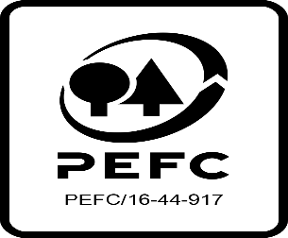

Forest Manager/Owner/organisation (Certificate Holder): |  |  | Forest Service, an Agency of the Department of Agriculture, Environment and Rural Affairs (Northern Ireland)

Forest Name/Group Name: |  |  | Forest Service, an Agency of the Department of Agriculture, Environment and Rural Affairs (Northern Ireland)
Region and Country:
Standard: |  |  | PEFC Forest Management Standard for UK; UKWAS 4.0 (2018)
Certificate Code: |  |  | SA-PEFC-FM-007447
PEFC License Code: |  |  | PEFC/16-40-1924
Date of certificate issue:
Date of expiry of certificate:

 | Assessment date | Date Report Finalised/ Updated | SA Auditor | Checked by | Approved by
PA
MA
S1
S2
S3 | 6-10 February 2023 | 12-Apr-23 | Mechteld Schuller | Rebecca Haskell | John Rogers
S4

Disclaimer: auditing is based on a sampling process of the available information.
Please note that the main text of this report is publicly available on request

Soil Association Certification Ltd • United Kingdom
Telephone (+44) (0) 117 914 2435
Email forestry@soilassociation.org • www.soilassociation.org/forestry

Soil Association Certification Ltd • Company Registration No. 726903
A wholly-owned subsidiary of the Soil Association Charity No. 20686

RT-FM-001a-06.1 June 2022. © Produced by Soil Association Certification Limited

