Cover
 |  |  | SA Certification Forest Certification Public Report | 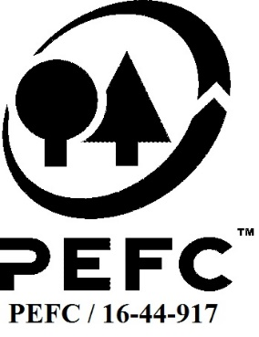

Forest Manager/Owner/organisation (Certificate Holder): |  |  | Forestry England

Forest Name/Group Name: |  |  | Forestry England
Region and Country: |  |  | United Kingdom (England)
Standard: |  |  | PEFC Forest Management Standard [UK Woodland Assurance Standard (UKWAS) v4.0 2018] for [UK];
Certificate Code: |  |  | SA-PEFC-FM-006972
PEFC License Code: |  |  | PEFC/16-40-1001
Date of certificate issue: |  |  | 2019-11-12
Date of expiry of certificate: |  |  | 2024-11-11

 | Assessment date | Date Report Finalised/ Updated | SA Auditor | Checked by | Approved by
PA
RA | 22-29 July 2019 | 08/10/2019 07/10/2020 | Rebecca Haskell ( lead) Robin Walter (auditor) | Andy Grundy | Andy Grundy
S1 | 9- 13 Nov 2020 | 29-Jan-21 | Rebecca Haskell (lead) Robin Walter (auditor) | Andy Grundy with Nicola Brennan | Andy Grundy
S2 | 4-7 October 2021 | 20-Dec-21 | Rebecca Haskell (Lead) Carol Robertson (auditor) | Andy Grundy | Andy Grundy 16/06/2022
S3 | 17-20 October 2022 | 6-Jan-23 | Robin Walter (Lead), Ian Rowland | Gus Hellier | John Rogers
S4 | 5th to 8th June 2023 | 30-Aug-23 | Carol Robertson (Lead), Ian Rowland | Gus Hellier | John Rogers

Disclaimer: auditing is based on a sampling process of the available information.
Please note that the main text of this report is publicly available on request

Soil Association Certification Ltd • United Kingdom
Telephone (+44) (0) 117 914 2435
Email forestry@soilassociation.org • www.soilassociation.org/forestry

Soil Association Certification Ltd • Company Registration No. 726903
A wholly-owned subsidiary of the Soil Association Charity No. 20686

RT-FM-001a-06.1 June 2022. © Produced by Soil Association Certification Limited

A11a Cert Decsn
 | Soil Association Certification Decision
Description of client / certificate holder
Name: | Forestry England
Code: | SA-PEFC-FM-006972
Country | United Kingdom
# of sites: | 7
# of ha: | 244835
Presence of indigenous people: | no

Summary of audit
Type | S4
Names of auditors: | Carol Robertson (Lead), Ian Rowland
Report Reviewer | Gus Hellier
SA Certification staff member recommending certification decision | John Rogers

Report summary
# of pre-conditions | n/a
# of MAJOR conditions | 0
# of Minor conditions | 1
# of observations | 1
Describe any potentially contentious issues. | none
Location of report | Filed under: Forestry/Certification records

Recommendation
I have reviewed the report of this assessment (including stakeholder consultation and peer review summary as appropriate) and | I recommend that the certification decision for approval by SA Cert subject to compliance with the CARs listed above.
Date: | 2023-07-14

Approval
Certification Decision: | Approved: Maintain /grant certification
Name: | John Rogers
Certification Decision made on behalf of Soil Association Certification Ltd: | John Rogers
Date: | 30-Aug-23

Soil Association Certification • United Kingdom
Telephone (+44) (0) 117 914 2435
Email forestry@soilassocation.org ● www.soilassociation.org/forestry

Soil Association Certification Ltd • Company Registration No. 726903
A wholly-owned subsidiary of the Soil Association Charity No. 20686

A12a Product schedule
 | Product Schedule |  | 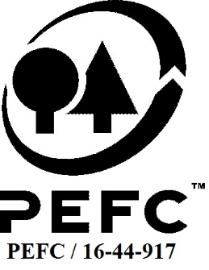

This schedule details the products which are included in the scope of the company's certification. It shall accompany the PEFC certificate. If the product scope changes a new schedule will be issued.

Certificate scope including products and certified sites may also be checked on the PEFC database www.pefc.org
Description of client / certificate holder
Name: | Forestry England
Address: | 620, Bristol Business Park, Winterbourne, Bristol, BS16 1EJ
Country | United Kingdom
Code: | SA-PEFC-FM-006972
Type of certificate | PEFC FM
Date of issue: | 12-Nov-19 | Date of expiry: | 11-Nov-24

Product Groups available from this certificate holder include:
PEFC Status | Product Category | Product code | Species
100% PEFC certified | Roundwood- Sawlogs and veneer logs, Pulpwood, Chips and particles, Wood residues, Other industrial roundwood | 1010, 1020, 1030, 1040, 1050 | 1,3
100% PEFC certified | Fuelwood (incl chips, residues, pellets, brickets, etc.) | 2010 | 1,3
100% PEFC certified | Venison | 13000 | 4

Approval
Name:
Signed:
Date:
 |  | (certificate code updated)
Soil Association Certification Ltd • United Kingdom
Telephone (+44) (0) 117 914 2435
Email forestry@soilassociation.org ● www.soilassociation.org/forestry

Soil Association Certification Ltd • Company Registration No. 726903
A wholly-owned subsidiary of the Soil Association Charity No. 20686
PEFC Licence Code PEFC / 16-44-917

