A11a Cert Decsn
 | Soil Association Certification Decision
Description of client / certificate holder
Name: | Forestry and Land Scotland
Code: | SA-PEFC-FM/COC-007002
Country | Scotland
# of sites: | 5
# of ha: | 611650
Presence of indigenous people: | no

Summary of audit
Type | S4
Names of auditors: | Carol Robertson
Report Reviewer
SA Certification staff member recommending certification decision

Report summary
# of pre-conditions | 0
# of MAJOR conditions | 0
# of Minor conditions | 4
# of observations | 2
Describe any potentially contentious issues. | none
Location of report | Filed under: Forestry/Certification records

Recommendation
I have reviewed the report of this assessment (including stakeholder consultation and peer review summary as appropriate) and | I recommend that the certification decision for approval by SA Cert subject to compliance with the CARs listed above.

Date:

Approval
Certification decision: | Approved: Maintain certification
 | 0

Name: | Valentins Kuksinovs
Signed on behalf of Soil Association Certification Ltd: | Valentins Kuksinovs
Date: | 2024-01-12

Soil Association Certification • United Kingdom
Telephone (+44) (0) 117 914 2435
Email forestry@soilassocation.org ● www.soilassociation.org/forestry

Soil Association Certification Ltd • Company Registration No. 726903
A wholly-owned subsidiary of the Soil Association Charity No. 20686

A12a Product schedule
 | Product Schedule |  | 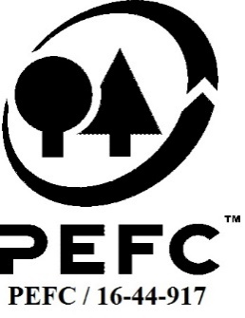

This schedule details the products which are included in the scope of the company's certification. It shall accompany the PEFC certificate. If the product scope changes a new schedule will be issued.

Certificate scope including products and certified sites may also be checked on the PEFC database www.pefc.org
Description of client / certificate holder
Name: | Forestry and Land Scotland
Address: | Great Glen House, Leachkin Road, Inverness, IV3 8NW
Country | Scotland
Code: | SA-PEFC-FM/COC-007002
Type of certificate | Single
Date of issue: | 12-Nov-19 | Date of expiry: | 11-Nov-24

Product Groups available from this certificate holder include:
PEFC Status | Product Category | Product code | Species
x% PEFC certified | Roundwood | 1000 | 1;3
x% PEFC certified | Non-wood products - game | 13000 | 4

Approval
Name: |  | Andy Grundy
Signed:
Date: |  | 2020-12-08

Soil Association Certification Ltd • United Kingdom
Telephone (+44) (0) 117 914 2435
Email forestry@soilassociation.org ● www.soilassociation.org/forestry

Soil Association Certification Ltd • Company Registration No. 726903
A wholly-owned subsidiary of the Soil Association Charity No. 20686
PEFC Licence Code PEFC / 16-44-917

