Cover
 |  |  | SA Certification Forest Certification Public Report | 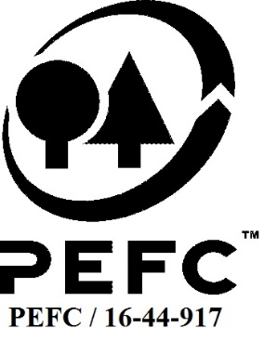

Forest Manager/Owner/organisation (Certificate Holder): |  |  | The Crown Estate

Forest Name/Group Name: |  |  | The Crown Estate
Region and Country: |  |  | United Kingdom
Standard: |  |  | PEFC Forest Management Standard (UKWAS(2018, v4.0)
Certificate Code: |  |  | SA-PEFC-FM-002666
PEFC License Code: |  |  | PEFC/16-37-1884
Date of certificate issue: |  |  | 2021-10-06
Date of expiry of certificate: |  |  | 2026-10-05

 | Assessment date | Date Report Finalised/ Updated | SA Auditor | Checked by | Approved by
MA | 19-20th May 2021 | 2021-09-30 | Robin Walter | Nicola Brennan | Andy Grundy
S1 | 26th July 2022 | 25-Oct-22 | Ian Rowland | James Evans/ Andy Grundy | Andy Grundy
S2 | 19-Sep-23 | 18-Dec-23 | Ian Rowland | Marie-Christine Fléchard | Marie-Christine Fléchard
S3
S4

Disclaimer: auditing is based on a sampling process of the available information.
Please note that the main text of this report is publicly available on request

Soil Association Certification Ltd • United Kingdom
Telephone (+44) (0) 117 914 2435
Email forestry@soilassociation.org • www.soilassociation.org/forestry

Soil Association Certification Ltd • Company Registration No. 726903
A wholly-owned subsidiary of the Soil Association Charity No. 20686

RT-FM-001a-06 April 2020. © Produced by Soil Association Certification Limited

A11a Cert Decsn
 | Soil Association Certification Decision
Description of client / certificate holder
Name: | The Crown Estate
Code: | SA-PEFC-FM-002666
Country | United Kingdom
# of sites: | 1
# of ha: | 3148.4
Presence of indigenous people: | no

Summary of audit
Type | S2
Names of auditors: | Ian Rowland
Report Reviewer | Marie-Christine Fléchard
SA Certification staff member recommending certification decision

Report summary
# of pre-conditions | 0
# of MAJOR conditions | 0
# of Minor conditions | 0
# of observations | 0
Describe any potentially contentious issues. | 0
Location of report

Recommendation
I have reviewed the report of this assessment (including stakeholder consultation and peer review summary as appropriate) and | I recommend that the certification decision for approval by SA Cert subject to compliance with the CARs listed above.

Date: | 2023-12-01

Approval
Certification decision: | Approved: Maintain certification

Name: | Marie-Christine Fléchard
Certification Decision made on behalf of Soil Association Certification Ltd: | Marie-Christine Fléchard
Date: | 2023-12-18

Soil Association Certification • United Kingdom
Telephone (+44) (0) 117 914 2435
Email forestry@soilassocation.org ● www.soilassociation.org/forestry

Soil Association Certification Ltd • Company Registration No. 726903
A wholly-owned subsidiary of the Soil Association Charity No. 20686

A12a Product schedule
 | Product Schedule |  | 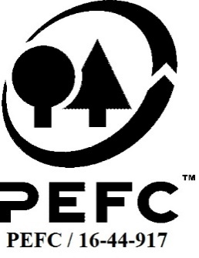

This schedule details the products which are included in the scope of the company's certification. It shall accompany the PEFC certificate. If the product scope changes a new schedule will be issued.

Certificate scope including products and certified sites may also be checked on the PEFC database www.pefc.org
Description of client / certificate holder
Name: | The Crown Estate
Address: | The Estate Office, Windsor Great Park, Windsor, Berks, SL4 2HT
Country | United Kingdom
Code: | SA-PEFC-FM-002666
Type of certificate | Single
Date of issue: | 6-Oct-21 | Date of expiry: | 5-Oct-26

Product Groups available from this certificate holder include:
PEFC Status | Product Category | Product code | Species
PEFC x% Certified | Roundwood logs, pulpwood | 1010 / 1020 | 1;3
PEFC x% Certified | Fuelwood and charcoal | 2010/2020 | 1;3
PEFC x% Certified | Other' (Christmas trees) | 14000 | 1

Approval
Name: |  | Andy Grundy
Signed:
Date: |  | 2021-09-30

Soil Association Certification Ltd • United Kingdom
Telephone (+44) (0) 117 914 2435
Email forestry@soilassociation.org ● www.soilassociation.org/forestry

Soil Association Certification Ltd • Company Registration No. 726903
A wholly-owned subsidiary of the Soil Association Charity No. 20686
PEFC Licence Code PEFC / 16-44-917

