Cover
 |  |  | SA Certification Forest Certification Public Report | 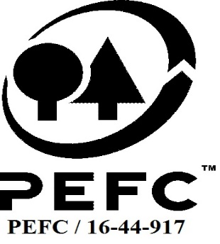

Forest Manager/Owner/organisation (Certificate Holder): |  |  | Czernin-Kinsky Scottish Company Limited

Forest Name/Group Name: |  |  | Czernin-Kinsky Scottish Company Limited
Region and Country: |  |  | UK
Standard: |  |  | UKWAS 4.0 (2018) - Sustainable Forest Management, PEFC ST 1003
Certificate Code: |  |  | SA-PEFC-FM-005340
PEFC License Code: |  |  | PEFC-
Date of certificate issue: |  |  | 2021-10-12
Date of expiry of certificate: |  |  | 2026-10-11

 | Assessment date | Date Report Finalised/ Updated | SA Auditor | Checked by | Approved by
RA - HYBRID | 28/6/21-1/7/21 | 15-Sep-21 | Matthew Taylor | Nicola Brennan with Janett McKay | Janette McKay
S1 | 19-Jul-22 | 4-Oct-22 | Carol Robertson | Gus Hellier | John Rogers
S2 | 24-Aug-23 | 21/11/2023 22/11/2023 | Carol Robertson | Gus Hellier | John Rogers
S3
S4

Disclaimer: auditing is based on a sampling process of the available information.
Please note that the main text of this report is publicly available on request

Soil Association Certification Ltd • United Kingdom
Telephone (+44) (0) 117 914 2435
Email forestry@soilassociation.org • www.soilassociation.org/forestry

Soil Association Certification Ltd • Company Registration No. 726903
A wholly-owned subsidiary of the Soil Association Charity No. 20686

RT-FM-001a-06 April 2020. © Produced by Soil Association Certification Limited

A11a Cert decsn
 | Soil Association Certification Decision
Description of client / certificate holder
Name: | Czernin-Kinsky Scottish Company Limited
Code: | SA-PEFC-FM/COC-005340
Country | UK
# of sites: | 1
# of ha: | 4125
Presence of indigenous people: | no

Summary of audit
Type | S2
Names of auditors: | Carol Robertson
Report Reviewer | Gus Hellier
SA Certification staff member recommending certification decision | John Rogers

Report summary
# of pre-conditions | n/a
# of MAJOR conditions | 0
# of Minor conditions | 0
# of observations | 1
Describe any potentially contentious issues. | none
Location of report

Recommendation
I have reviewed the report of this assessment (including stakeholder consultation and peer review summary as appropriate) and
 | I recommend certification approval by Soil Association Certification subject to compliance with the Conditions as listed above.

Date: | 12.10.23

Approval
Certification decision: | Approved

 | John Rogers
Name:
Certification Decision made on behalf of Soil Association Certification Ltd: | John Rogers
Date: | 21/11/2023 22/11/2023

Soil Association Certification • United Kingdom
Telephone (+44) (0) 117 914 2435
Email forestry@soilassocation.org ● www.soilassociation.org/forestry

Soil Association Certification Ltd • Company Registration No. 726903
A wholly-owned subsidiary of the Soil Association Charity No. 20686

A12a Product schedule
 | Product Schedule |  | 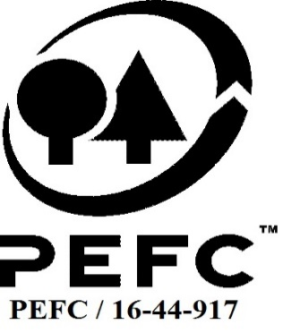

This schedule details the products which are included in the scope of the company's certification. It shall accompany the PEFC certificate. If the product scope changes a new schedule will be issued.

Certificate scope including products and certified sites may also be checked on the PEFC database www.pefc.org
Description of client / certificate holder
Name: | Czernin-Kinsky Scottish Company Limited
Address: | Cornharrow, Dalry, Castle Douglas, DG7 3AS
Country | UK
Code: | SA-PEFC-FM/COC-005340
Type of certificate | Single
Date of issue: | 12-Oct-21 | Date of expiry: | 11-Oct-26

Product Groups available from this certificate holder include:
PEFC Status | Product Category | Product code | Species
x% PEFC certified | Roundwood | 1000 | Abies grandis; Abies procera; Chamaecyparis lawsoniana; Larix kaempferi; Larix x eurolepis; Picea abies; Picea sitchensis; Pinus sylvestris; Pseudotsuga menziesii; Thuja plicata; Tsuga heterophylla; Acer campestre; Acer pseudoplatanus; Alnus glutinosa; Betula pendula; Castanea sativa; Crataegus monogyna; Corylus avellana; Fagus sylvatica; Fraxinus excelsior; Prunus avium; Prunus spinosa; Quercus robur; Quercus petraea; Salix spp.; Ulmus spp.
x% PEFC certified | Fuelwood | 2000 | Abies grandis; Abies procera; Chamaecyparis lawsoniana; Larix kaempferi; Larix x eurolepis; Picea abies; Picea sitchensis; Pinus sylvestris; Pseudotsuga menziesii; Thuja plicata; Tsuga heterophylla; Acer campestre; Acer pseudoplatanus; Alnus glutinosa; Betula pendula; Castanea sativa; Crataegus monogyna; Corylus avellana; Fagus sylvatica; Fraxinus excelsior; Prunus avium; Prunus spinosa; Quercus robur; Quercus petraea; Salix spp.; Ulmus spp.
Approval
Name: |  | Andy Grundy
Signed:
Date: |  | 2021-09-15

Soil Association Certification Ltd • United Kingdom
Telephone (+44) (0) 117 914 2435
Email forestry@soilassociation.org ● www.soilassociation.org/forestry

Soil Association Certification Ltd • Company Registration No. 726903
A wholly-owned subsidiary of the Soil Association Charity No. 20686
PEFC Licence Code PEFC / 16-44-917

