Cover
 |  |  | SA Certification Forest Certification Public Report | 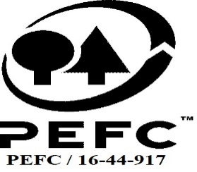

Forest Manager/Owner/organisation (Certificate Holder): |  |  | Bell Ingram LLP

Forest Name/Group Name: |  |  | Members of Bell Ingram Group Scheme
Region and Country: |  |  | UK
Standard: |  |  | UKWAS 4.0 (2018)
Certificate Code: |  |  | SA-PEFC-FM-001194
PEFC License Code:
Date of certificate issue: |  |  | 2022-09-24
Date of expiry of certificate: |  |  | 2027-09-23

 | Assessment date | Date Report Finalised/ Updated | SA Auditor | Checked by | Approved by

RA | 20-23 June 2022 | 23-Sep-22 | Rebecca Haskell | Valentins Kuksinovs | James Evans
S1 | 15 - 27 August 2023 | 23-Nov-23 | Rebecca Haskell | Valentins Kuksinovs | Valentins Kuksinovs
S2
S3
S4

Disclaimer: auditing is based on a sampling process of the available information.
Please note that the main text of this report is publicly available on request

Soil Association Certification Ltd • United Kingdom
Telephone (+44) (0) 117 914 2435
Email forestry@soilassociation.org • www.soilassociation.org/forestry

Soil Association Certification Ltd • Company Registration No. 726903
A wholly-owned subsidiary of the Soil Association Charity No. 20686

RT-FM-001a-06 April 2020. © Produced by Soil Association Certification Limited

