Cover
 |  |  | SA Certification Forest Certification Public Report | 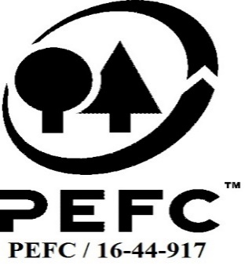

Forest Manager/Owner/organisation (Certificate Holder): |  |  | NCT FORESTRY AGRICULTURAL CO-OPERATIVE LIMITED

Forest Name/Group Name: |  |  | NCT FORESTRY AGRICULTURAL CO-OPERATIVE LIMITED
Region and Country: |  |  | South Africa
Standard: |  |  | PEFC Forest Management Standard SAFAS 4 2018, South Africa
Certificate Code: |  |  | SA-PEFC-FM-COC-010122
PEFC License Code:
Date of certificate issue: |  |  | 2021-08-24
Date of expiry of certificate: |  |  | 2026-08-23

 | Assessment date | Date Report Finalised/ Updated | SA Auditor | Checked by | Approved by
PA | n/a
MA | 6-Apr-21 | 24-Aug-21 | Ryan Connolly | James Evans | James Evans
S1 | 9-May-22 | 22-May-22 | Ryan Connolly | Ambra Scodro | Ambra Scodro
S2 | 3rd to 5th July 2023 | 3-Oct-23 | Rob Shaw, SA Technical Manager Ryan Connolly, PEFC FM Auditor | Valentins Kuksinovs | Valentins Kuksinovs
S3
S4

Disclaimer: auditing is based on a sampling process of the available information.
Please note that the main text of this report is publicly available on request

Soil Association Certification Ltd • United Kingdom
Telephone (+44) (0) 117 914 2435
Email forestry@soilassociation.org • www.soilassociation.org/forestry

Soil Association Certification Ltd • Company Registration No. 726903
A wholly-owned subsidiary of the Soil Association Charity No. 20686

RT-FM-001a-06 April 2020. © Produced by Soil Association Certification Limited

A11a Cert Decsn
 | Soil Association Certification Decision
Description of client / certificate holder
Name: | NCT FORESTRY AGRICULTURAL CO-OPERATIVE LIMITED t/a NCT SAFAS Group Certification Scheme
Code: | SA-PEFC-FM-COC-010122
Country | South Africa
# of sites: | 13
# of ha: | 7166.40
Presence of indigenous people: | no

Summary of audit
Type | S2
Names of auditors: | Rob Shaw and Ryan Connolly
Report Reviewer | Valentins Kuksinovs
SA Certification staff member recommending certification decision | Valentins Kuksinovs

Report summary
# of pre-conditions | 0
# of MAJOR conditions | 4
# of Minor conditions | 1
# of observations | 4
Describe any potentially contentious issues. | n/a
Location of report | Filed under: Forestry/Certification records

Recommendation
I have reviewed the report of this assessment (including stakeholder consultation and peer review summary as appropriate) and | I recommend that the certification decision for approval by SA Cert subject to compliance with the CARs listed above.

Date: | 2023-09-18

Approval
Certification decision: | Approved

Name: | Valentins Kuksinovs
Signed on behalf of Soil Association Certification Ltd: | Valentins Kuksinovs
Date: | 2023-10-03

Soil Association Certification • United Kingdom
Telephone (+44) (0) 117 914 2435
Email forestry@soilassocation.org ● www.soilassociation.org/forestry

Soil Association Certification Ltd • Company Registration No. 726903
A wholly-owned subsidiary of the Soil Association Charity No. 20686

A12a Product schedule
 | Product Schedule |  | 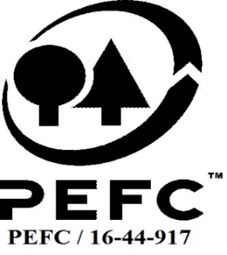

This schedule details the products which are included in the scope of the company's certification. It shall accompany the PEFC certificate. If the product scope changes a new schedule will be issued.

Certificate scope including products and certified sites may also be checked on the PEFC database www.pefc.org
Description of client / certificate holder
Name: | NCT FORESTRY AGRICULTURAL CO-OPERATIVE LIMITED t/a NCT SAFAS Group Certification Scheme
Address: | 37 McCarthy Drive, Montrose, Petermaritzburg, 3201
Country | South Africa
Code: | SA-PEFC-FM-COC-010122
Type of certificate | Group
Date of issue: | 24-Aug-21 | Date of expiry: | 23-Aug-26

Product Groups available from this certificate holder include:
PEFC Status | Product Category | Product code | Species
x% PEFC Certified | Roundwood | 1000 | Acacia spp. Eucalyptus spp. Pinus spp.
x% PEFC Certified | Sawnwood and sleepers | 3000 | Eucalyptus spp. Pinus spp.
x% PEFC Certified | Energy | 1200 | Eucalyptus spp. Pinus spp. Acacia spp.
x% PEFC Certified | Other- wood chips and bark | 1400 | Eucalyptus spp. Pinus spp. Acacia spp.
x% PEFC Certified | Fuelwood and charcoal | 1000 | Acacia spp. Eucalyptus spp.

Approval
Name: |  | James Evans
Signed:
Date: |  |  | 24-Aug-21

Soil Association Certification Ltd • United Kingdom
Telephone (+44) (0) 117 914 2435
Email forestry@soilassociation.org ● www.soilassociation.org/forestry

Soil Association Certification Ltd • Company Registration No. 726903
A wholly-owned subsidiary of the Soil Association Charity No. 20686
PEFC Licence Code PEFC / 16-44-917

A15 Opening and Closing Meeting
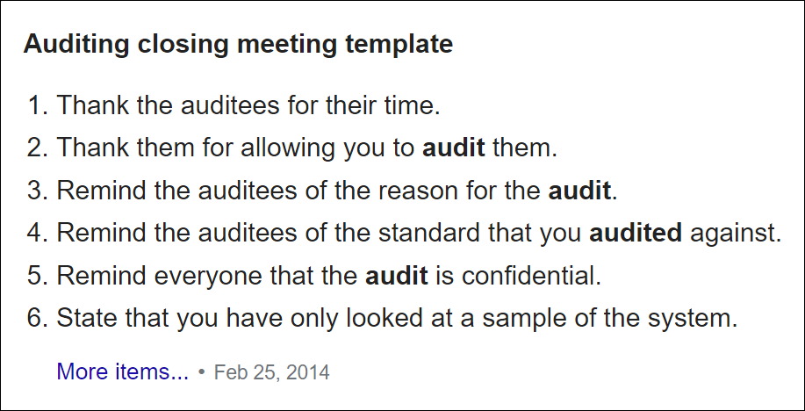
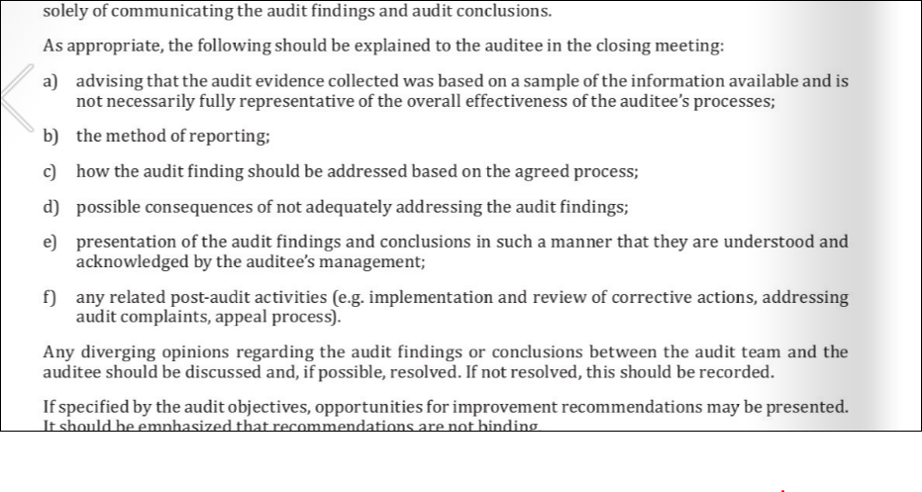
Reminder Checklist for Agenda for Opening Meeting (taken from ISO 19001)
1 | Introductions and confirmation of roles of audit team, including Technical Experts, Observers. Confirmation of audit objectives scope and criteria
2 | Confirmation of Audit Plan, including; timetable, objectives and scope (Standards used, Products, Sites, etc).
3 | Changes to PEFC Band
4 | Methods and procedures used to conduct the audit, including sampling process, and language to be used
5 | Formal communication channels between the audit team and auditee (Additional evidence may be provided through email subsequent to audit, etc).
 | confirmation of the language to be used during the audit;
6 | Confirmation of resources/facilities required by the audit team.
7 | Confirmation of matters relating to confidentiality and information security
8 | Conducting staff interviews in the absence of (line) management.
9 | Confirming relevant work safety, emergency and security procedures for the audit team.
10 | Method of reporting audit findings:- grading of CARs, and keeping Client informed as Audit progresses
11 | Information on how to deal with possible findings during the audit
12 | Review of issues/CARs raised during previous audits.
 | Confirmation that the audit team leader and audit team representing the certification body is responsible for the audit and shall be in control of executing the audit plan including audit activities and audit trails;
13 | Conditions under which audit may be terminated (Auditor unable to perform auditing role; lack of cooperation, concern regarding health & safety, etc).
14 | SA Certification Complaints/Appeals system on the conduct or conclusions of an Audit (IP-GEN-004 available on website).
15 | Information about the Closing meeting, and Client questions.
 | nonconformities, as defined in ISO/IEC 17021-1, are found at any individual site, either through the organization’s internal auditing or from auditing by the Certification Body, investigation shall take place to determine whether the other sites may be affected. Therefore, the Certification Body shall require the organization to review the nonconformities to determine whether or not they indicate an overall system deficiency applicable to other sites
 | confirmation that, during the audit, the client will be kept informed of audit progress and any concerns

Reminder Checklist for Agenda for Closing Meeting (taken from ISO 19011)
1 | Audit review and advising that audit evidence is based on sampling process.
 | Restate audit objectives, scope and criteria
2 | Discussion on CARs; their grading, normative reference, timeframe for closure and consequences of not meeting closure deadlines.
3 | Collation of Client's Plan for Correction as applicable (if not already collated prior to the Closing meeting)
4 | Audit follow up:- Report Review, including review of Client's Plan for Correction, and final audit/certification decision.
5 | Recording of any divergent opinions where they could not be resolved.
6 | SA Certification Complaints/Appeals system on the conduct or conclusions of an Audit (IP-GEN-004 available on website).

Sheet1
